TC-MOBILE
Test Id | Scenario | Test Case | Pre_condition | Test Type | Test Data | Test Step | Expected Result | Planed Date | Actual Result | Execution Date | Documentation
 | Register | User create new account with Valid Input | User open application and click button Sign up here | Positive | Username : mobiletesting02 Name : mobile-qe Email : mobiletesting@gmail.com Password : Mobile1! Confirm Password : Mobile1! | 1. Input valid name 2. Input valid email 3. Input valid password 4. Input valid confirm password 5. Click button Sign up | User succes to Register | 25/11/2022 | succes to register | 21/12/2022 | 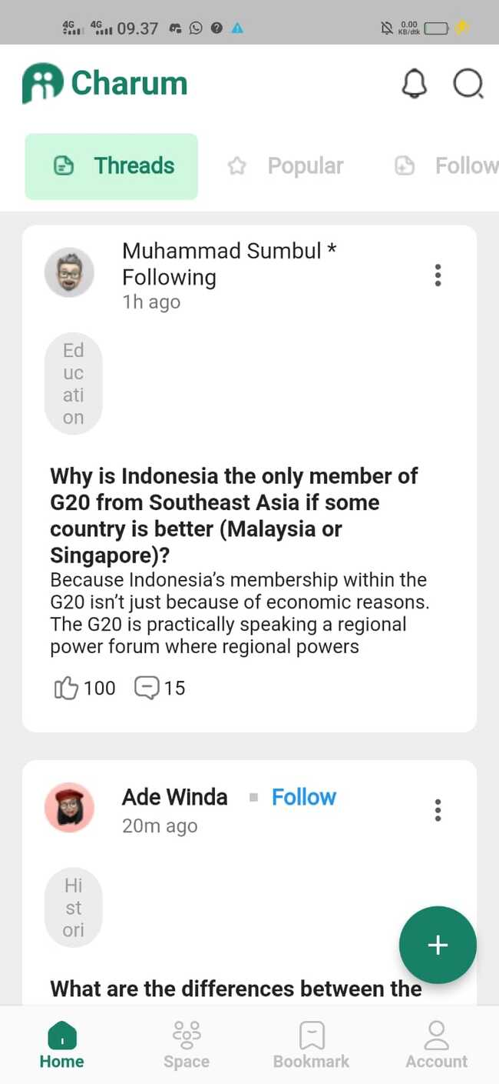
 |  | User create new account with Google Account | User open application and click button Sign up here | Positive |  | 1. User click button google | User succes to Register | 25/11/2022
 |  | User create new account with Facebook Account | User open application and click button Sign up here | Positive |  | 1. User click button facebook | User succes to Register | 25/11/2022
 |  | User create new account with Twitter Account | User open application and click button Sign up here | Positive |  | 1. User click button twitter | User succes to Register | 25/11/2022
 |  | User create new account with Invalid Name | User open application and click button Sign up here | Negative | Username : mobiletesting02@ Name : mobile-qe Email : mobiletesting@gmail.com Password : Mobile1! Confirm Password : Mobile1! | 1. Input invalid name 2. Input valid email 3. Input valid password 4. Input valid confirm password 5. Click button Sign up | User succes to Register | 25/11/2022 | Succes to register | 21/12/2022
 |  | User create new account with Invalid Email | User open application and click button Sign up here | Negative | Username : mobiletesting02 Name : mobile-qe Email : mobiletesting@gnail.com Password : Mobile1! Confirm Password : Mobile1! | 1. Input valid name 2. Input invalid email 3. Input valid password 4. Input valid confirm password 5. Click button Sign up | Eror message invalid email | 25/11/2022 | Succes to register | 21/12/2022
 |  | User create new account with null Password | User open application and click button Sign up here | Negative | Username : mobiletesting02 Name : mobile-qe Email : mobiletesting@gmail.com Password : Confirm Password : Mobile1! | 1. Input valid name 2. Input valid email 3. Input null password 4. Input valid confirm password 5. Click button Sign up | Eror message null password | 25/11/2022 | Eror message | 21/12/2022 | 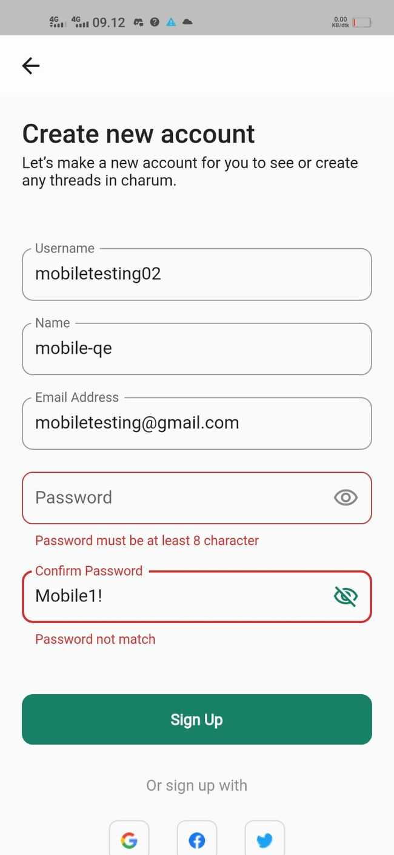
 |  | User create new account with valid Password but confirm password not same | User open application and click button Sign up here | Negative | Username : mobiletesting02 Name : mobile-qe Email : mobiletesting@gmail.com Password : Mobile1! Confirm Password : Mobile2! | 1. Input valid name 2. Input valid email 3. Input valid password 4. Input invalid confirm password 5. Click button Sign up | Eror message confirm password not same | 25/11/2022 | Password not match | 21/12/2022 | 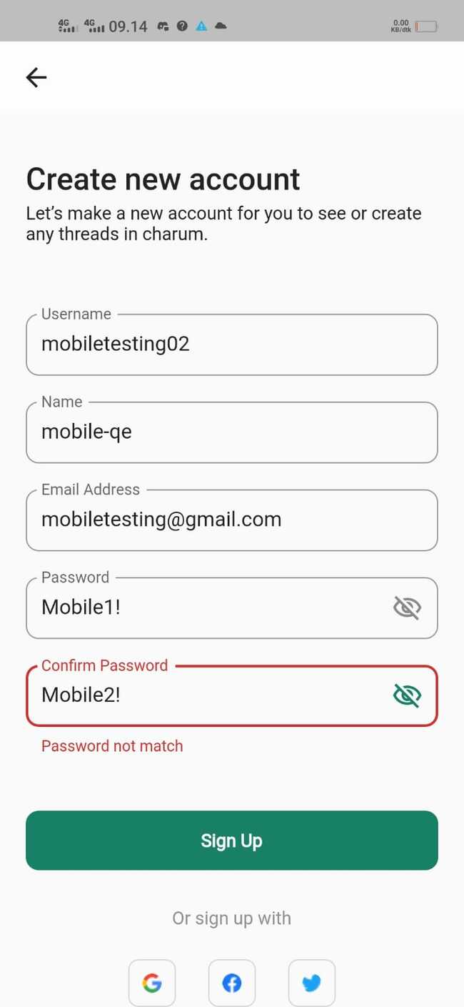
 |  | User create new account with null Input data | User open application and click button Sign up here | Negative | Username : Name : Email : Password : Confirm Password : | 1. Input null name 2. Input null email 3. Input null password 4. Input null confirm password 5. Click button Sign up | Eror message null data | 25/11/2022 | Eror message | 21/12/2022 | 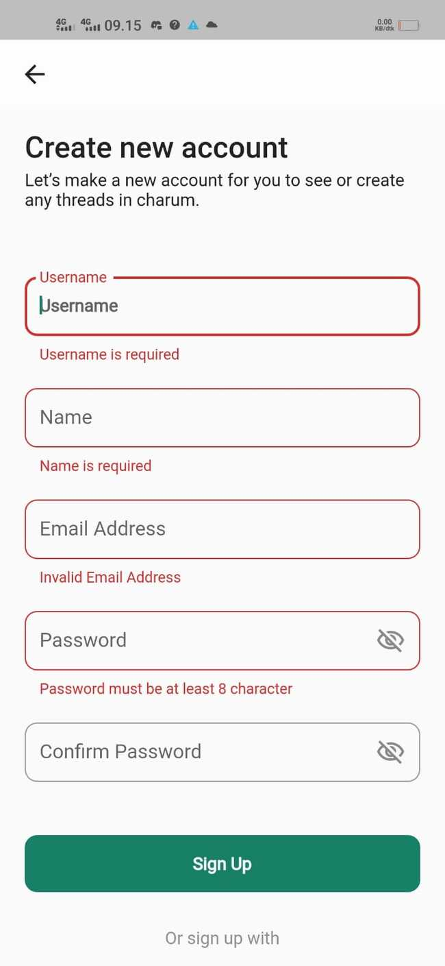
 |  | User create new account with null Name | User open application and click button Sign up here | Negative | Username : mobiletesting02 Name : Email : mobiletesting@gmail.com Password : Mobile1! Confirm Password : Mobile1! | 1. Input nullname 2. Input valid email 3. Input valid password 4. Input valid confirm password 5. Click button Sign up | Eror message null name | 25/11/2022 | Name is required | 21/12/2022 | 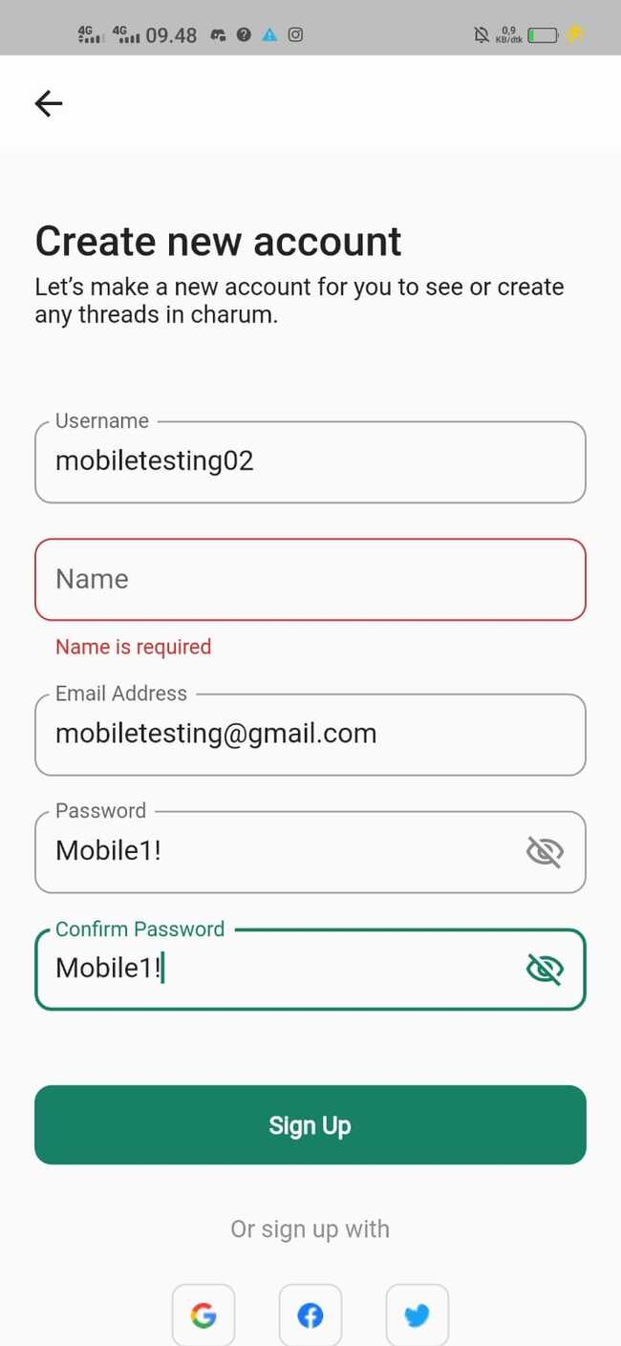
 |  | User create new account with null email | User open application and click button Sign up here | Negative | Username : mobiletesting02 Name : mobile-qe Email : Password : Mobile1! Confirm Password : Mobile1! | 1. Input valid name 2. Input null email 3. Input valid password 4. Input valid confirm password 5. Click button Sign up | Eror message null email | 25/11/2022 | Invalid email addres | 21/12/2022 | 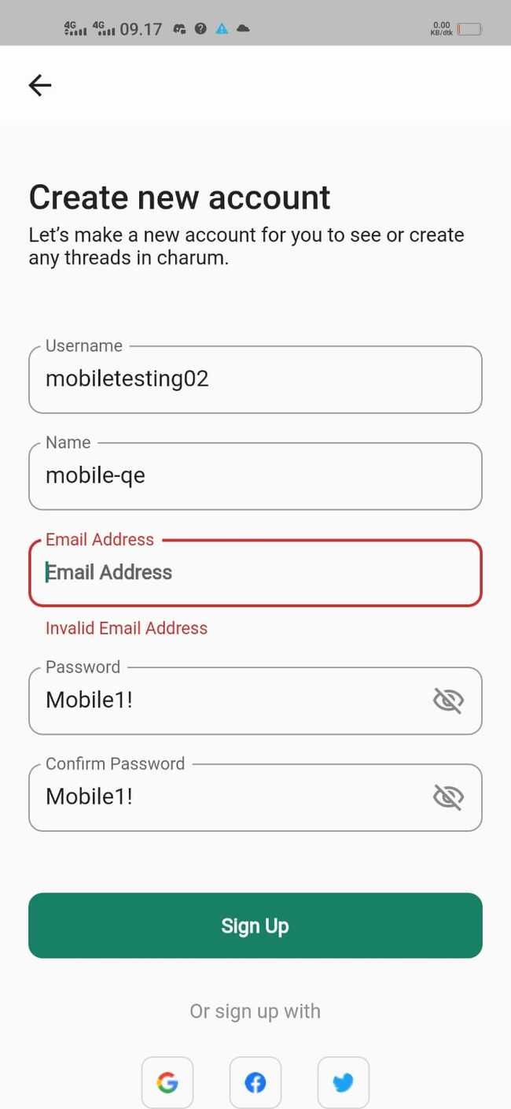
 |  | User create new account with null username | User open application and click button Sign up here | Negative | Username : Name : mobile-qe Email : mobiletesting@gmail.com Password : Mobile1! Confirm Password : Mobile1! | 1. Input nullname 2. Input valid email 3. Input valid password 4. Input valid confirm password 5. Click button Sign up | Eror message null username | 25/11/2022 | Username is required | 21/12/2022 | 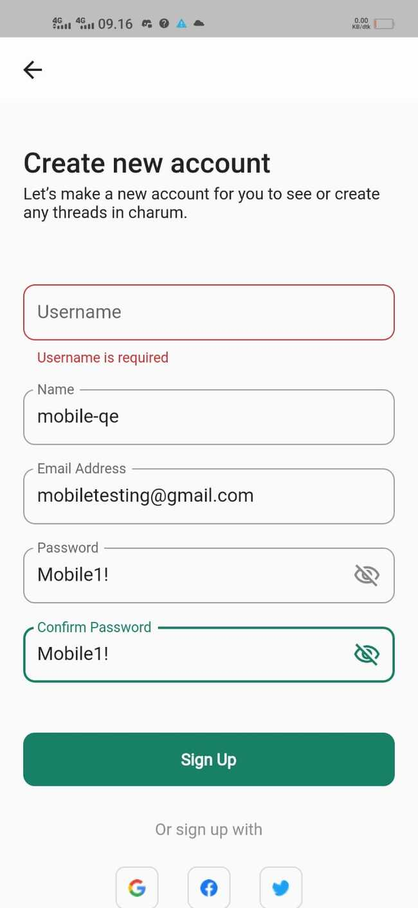
 |  | User create new account with null password confirm | User open application and click button Sign up here | Negative | Username : mobiletesting02 Name : mobile-qe Email : mobiletesting@gmail.com Password : Mobile1! Confirm Password : | 1. Input valid name 2. Input valid email 3. Input valid password 4. Input null confirm password 5. Click button Sign up | Eror message null confirm password | 25/11/2022 | Password not match | 21/12/2022 | 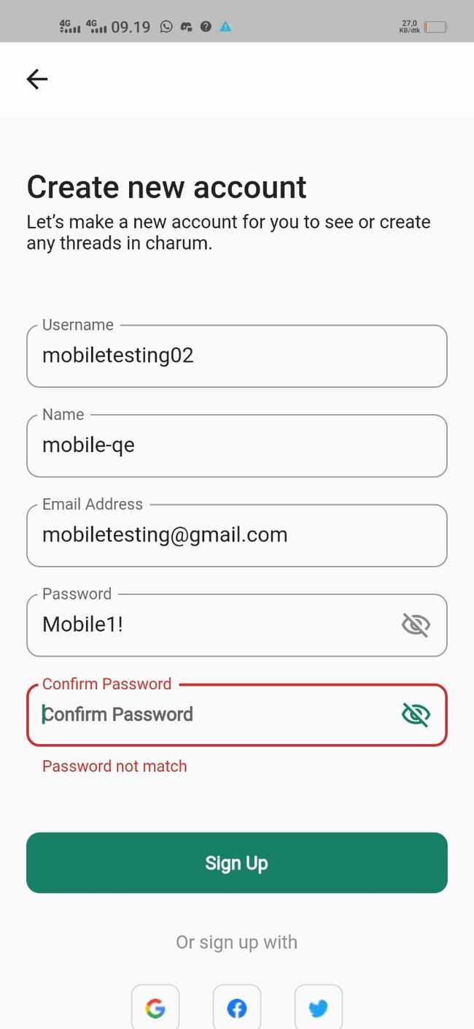
 | Login | User Login with valid input | User open application and skip onboarding page | Positive | Email : mobiletesting@gmail.com Password : Mobile1! | 1. Input valid email 2. Input valid password 3. Click button Sign in | User succes to login | 25/11/2022 | succes to login | 21/12/2022
 |  | User Login with Google Account | User open application and skip onboarding page | Positive |  | 1. User click button google | User succes to login | 25/11/2022
 |  | User Login with Facebook Account | User open application and skip onboarding page | Positive |  | 1. User click button facebook | User succes to login | 25/11/2022
 |  | User Login with Twitter Account | User open application and skip onboarding page | Positive |  | 1. User click button twitter | User succes to login | 25/11/2022
 |  | User Login with invalid Email | User open application and skip onboarding page | Negative | Email : mobiletesting@gmmail.com Password : Mobile1! | 1. Input invalid email 2. Input valid password 3. Click button Sign in | Eror message invalid email | 25/11/2022 | Username/email and password is wrong | 21/12/2022 | 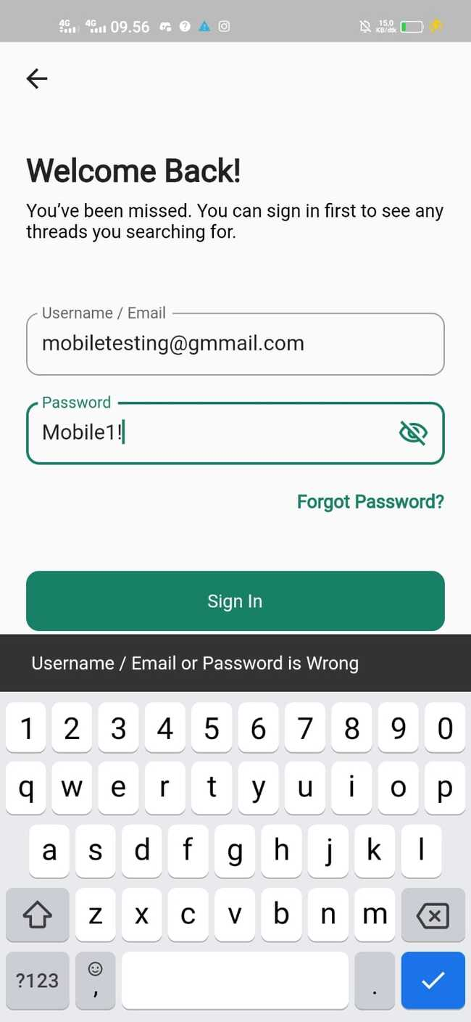
 |  | User Login with invalid Password | User open application and skip onboarding page | Negative | Email : mobiletesting@gmail.com Password : Mobile2! | 1. Input valid email 2. Input invalid password 3. Click button Sign in | Eror message password wrong | 25/11/2022 | Username/email and password is wrong | 21/12/2022 | 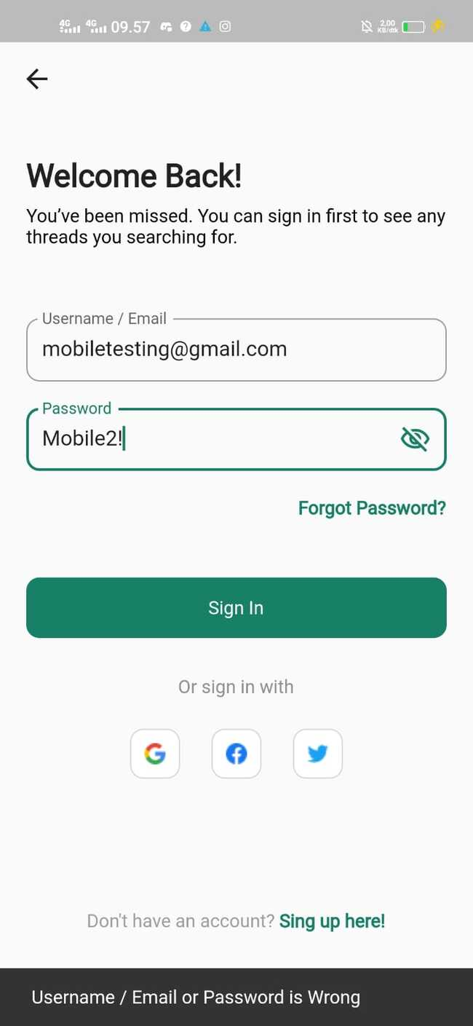
 |  | User Login with null email | User open application and skip onboarding page | Negative | Email : Password : Mobile1! | 1. Input null email 2. Input valid password 3. Click button Sign in | Eror message null email | 25/11/2022 | Username/email and password is wrong | 21/12/2022 | 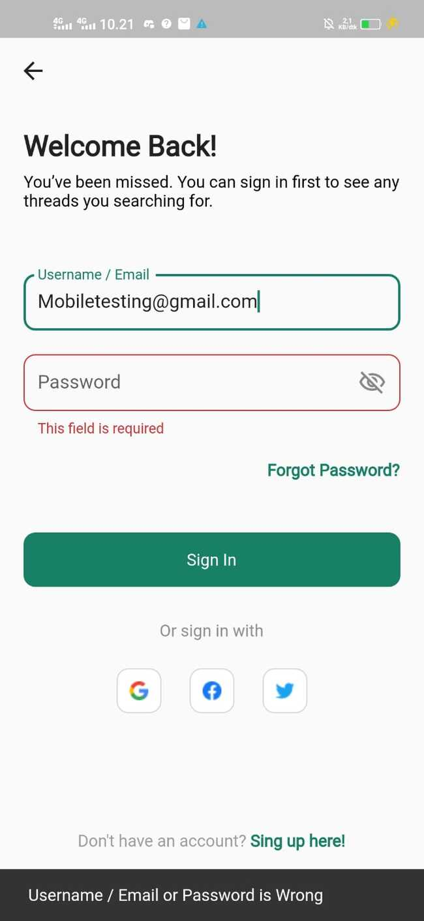
 |  | User Login with null password | User open application and skip onboarding page | Negative | Email : mobiletesting@gmail.com Password : | 1. Input valid email 2. Input null password 3. Click button Sign in | Eror message null password | 25/11/2022 | Username/email and password is wrong | 21/12/2022 | 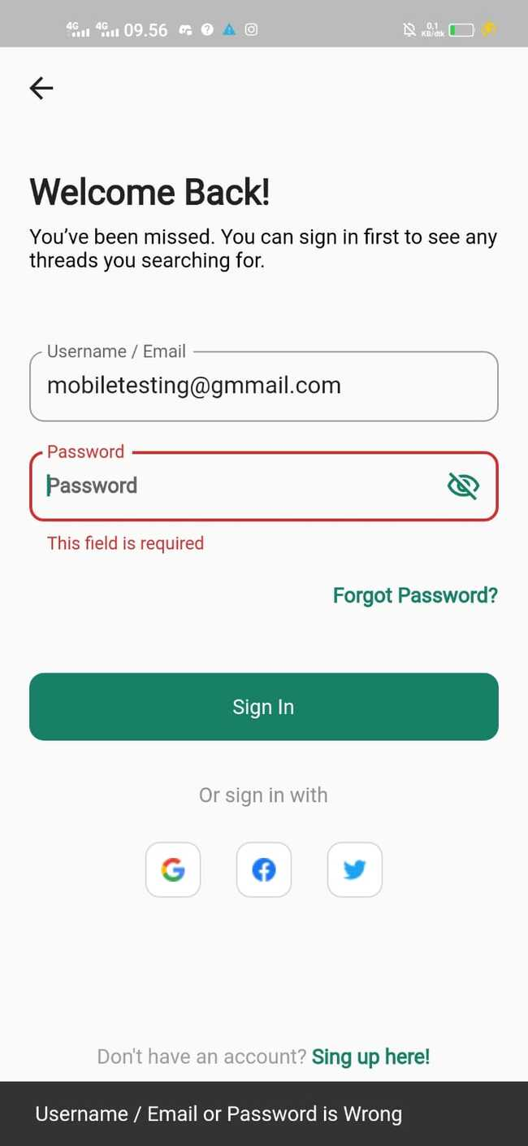
 |  | User Login with null data | User open application and skip onboarding page | Negative | Email : Password : | 1. Input null email 2. Input null password 3. Click button Sign in | Eror message null data | 25/11/2022 | Username/email and password is wrong | 21/12/2022 | 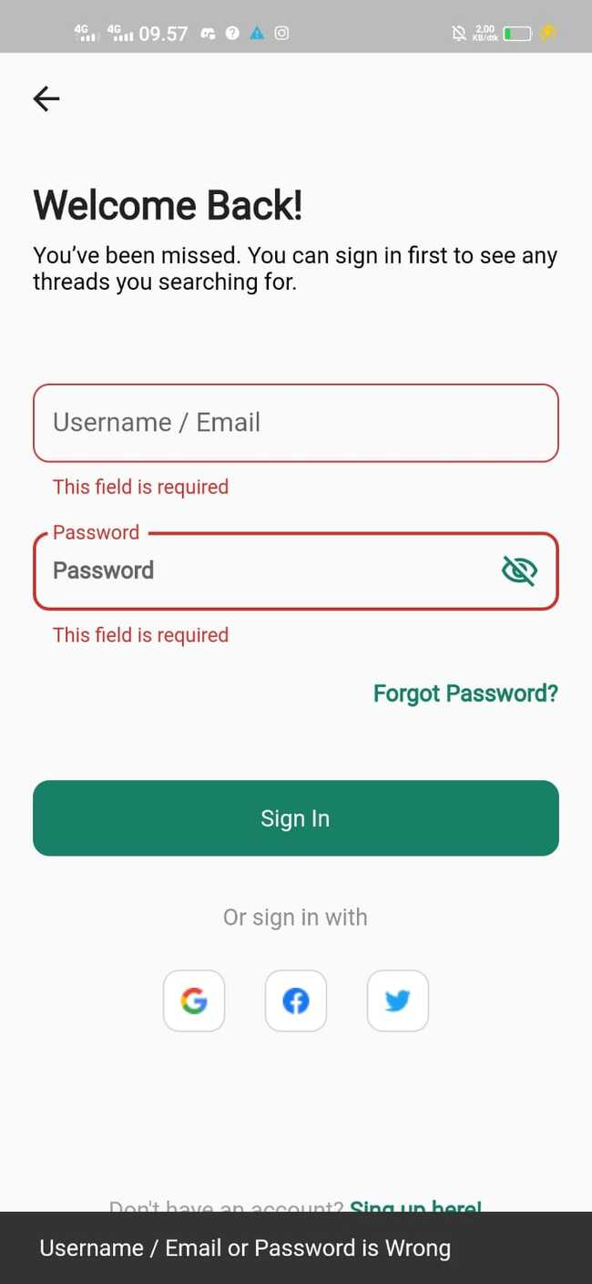
 |  | User Login with invalid email & Password | User open application and skip onboarding page | Negative | Email : mobiletestingg@gmail.com Password : Mobile2! | 1. Input valid email 2. Input invalid password 3. Click button Sign in | Eror message email password wrong | 25/11/2022 | Username/email and password is wrong | 21/12/2022 | 
 | Onboarding Page | User click "Skip" | User open application | Positive |  | 1. User open application 2. User click button "Skip" | User can skip landing page to login page | 25/11/2022 | succes to skip | 21/12/2022 | 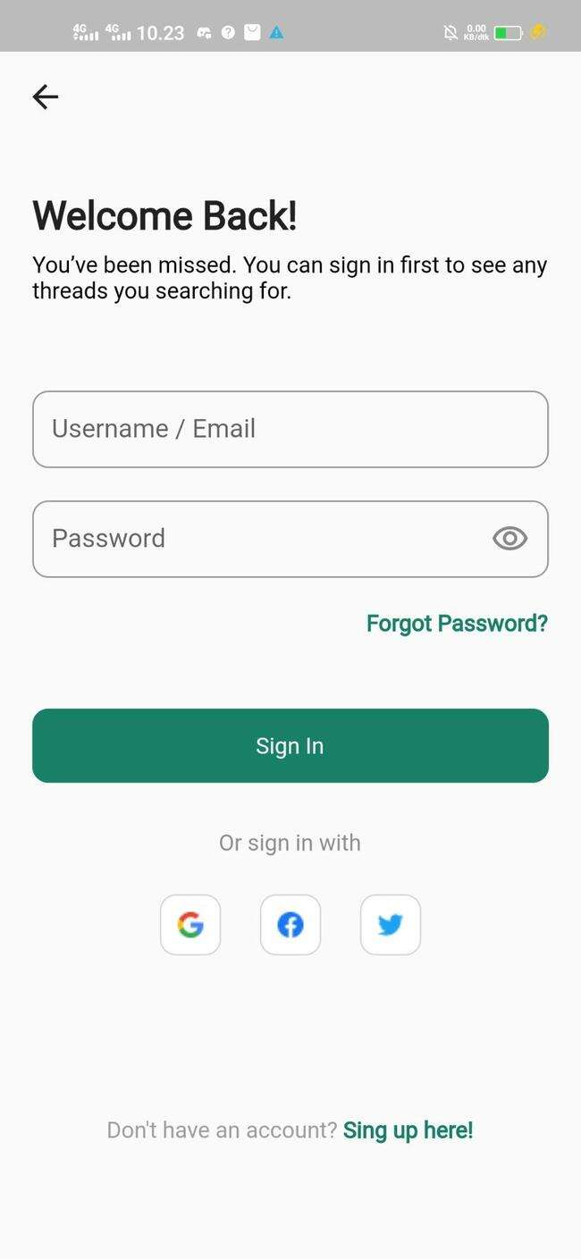
 |  | User click "Next" | User open application | Positive |  | 1. User open application 2. User click button "Next" | User can forward page | 25/11/2022 | succes to skip | 21/12/2022 | 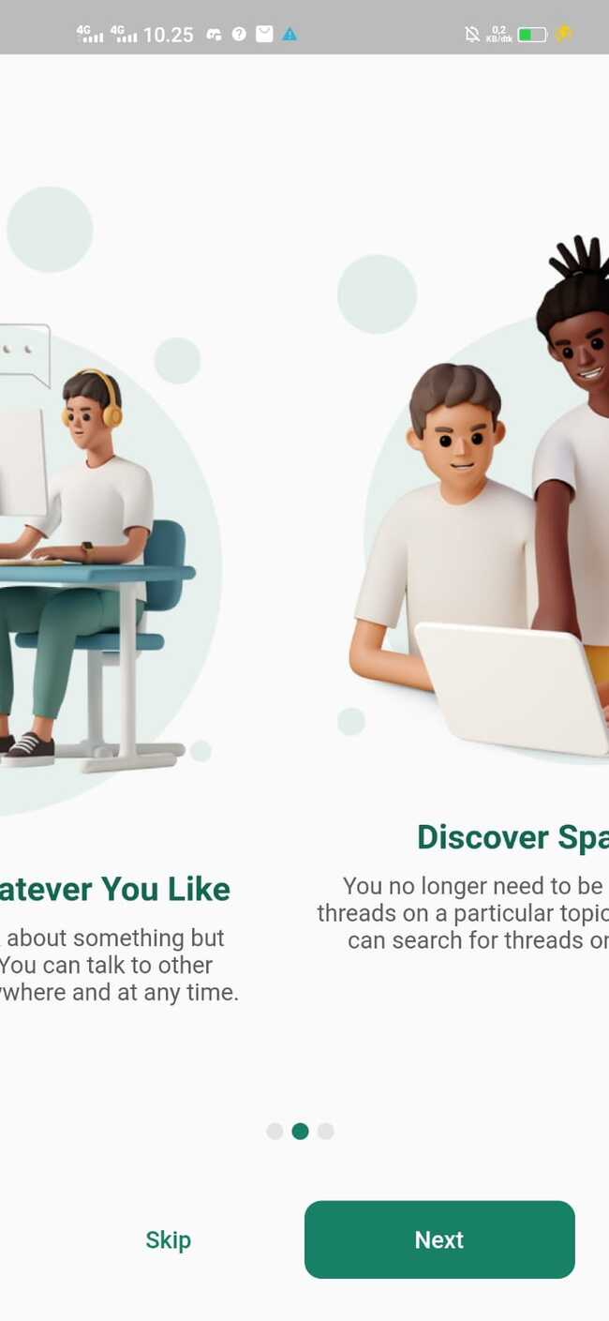
 |  | User click "Get Started" | User open application | Positive |  | 1. User open application 2. User click button "Get Started" | User redirected login page | 25/11/2022 | succes to redirected to login page | 21/12/2022
 | Homepage | User acces the Threads | User open application and login then redirected to the homepage | Positive |  | 1. User redirected to homepage 2. User click "Threads" | User can acces the Threads | 25/11/2022 | succes thread page | 21/12/2022
 |  | User acces the Popular Threads | User open application and login then redirected to the homepage | Positive |  | 1. User redirected to homepage 2. User click "Popular" | User can see the popular Threads | 25/11/2022 | succes to popular page | 21/12/2022 | 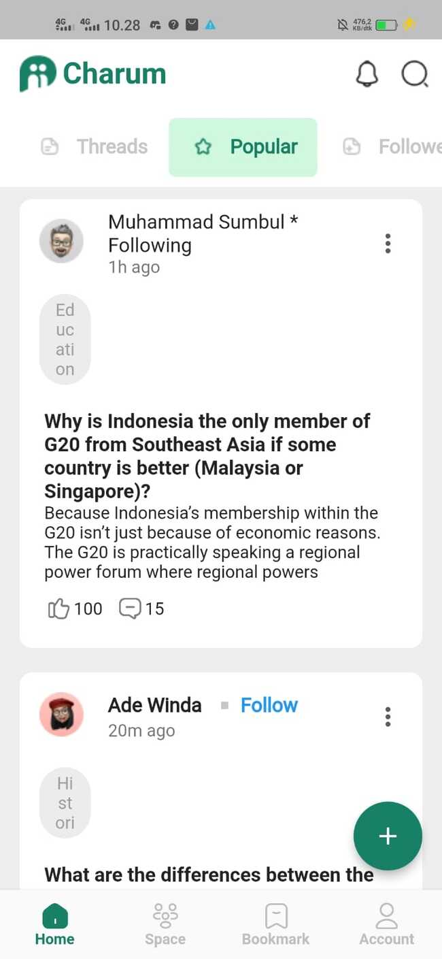
 |  | User acces the followed Threads | User open application and login then redirected to the homepage | Positive |  | 1. User redirected to homepage 2. User click "Followed" | User can see Threads just from followed account | 25/11/2022 | succes to followed page | 21/12/2022 | 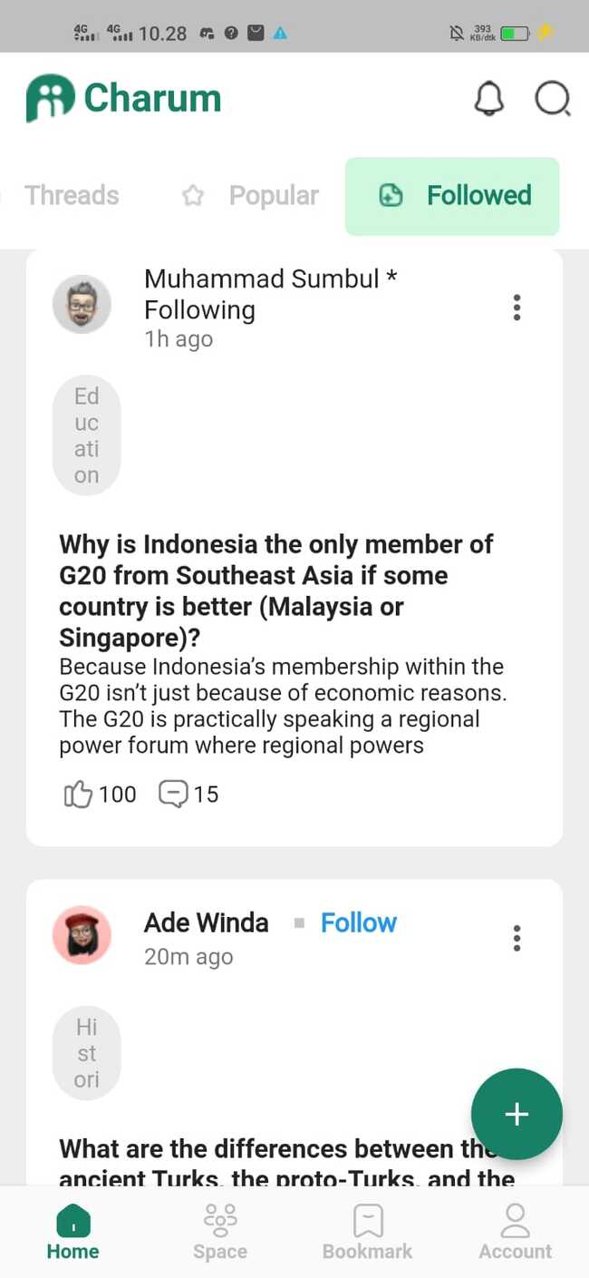
 |  | User click Threads | User open application and login then redirected to the homepage | Positive |  | 1. User redirected to homepage 2. User click some Threads | User can see detail Threads | 25/11/2022
 |  | User Like the Threads | User open application and login then redirected to the homepage | Positive |  | 1. User redirected to homepage 2. User click some Threads 3. User click Like Button | User can like the Threads | 25/11/2022
 |  | User comment the Threads | User open application and login then redirected to the homepage | Positive |  | 1. User redirected to homepage 2. User click some Threads 3. User click "add Comment" | User can add comment to Threads | 25/11/2022
 |  | User add the Threads to Bookmark | User open application and login then redirected to the homepage | Positive |  | 1. User redirected to homepage 2. User click some Threads 3. User click Ellipsis 4. User click "Bookmark" | User can add Threads to Bookmark | 25/11/2022
 |  | User follow Threads topic | User open application and login then redirected to the homepage | Positive |  | 3. User redirected to homepage 4. User click some Threads 5. User click Ellipsis 6. User click "Follow Thread" | User can follow Threads topic | 25/11/2022
 |  | User share Threads | User open application and login then redirected to the homepage | Positive |  | 1. User redirected to homepage 2. User click some Threads 3. User click Ellipsis 4. User click "Share" | User can share the Threads | 25/11/2022
 |  | User report Threads | User open application and login then redirected to the homepage | Positive |  | 1. User redirected to homepage 2. User click some Threads 3. User click Ellipsis 4. User click "Report" | User can report the Threads | 25/11/2022
 |  | Notifications | User open application and login then redirected to the homepage | Positive |  | 1. User redirected to homepage 2. User click button Notifications | User can acces Notifications | 25/11/2022
 |  | Search | User open application and login then redirected to the homepage | Positive |  | 1. User redirected to homepage 2. User click button Search | User can search Threads, Popular Thread, User, Topic | 25/11/2022 | user can search | 21/12/2022 | 
 |  | User search a blank input | User open application and login then redirected to the homepage | Negative |  | 1. User redirected to homepage 2. User click button Search | user not search | 25/11/2022 |  | 21/12/2022 | 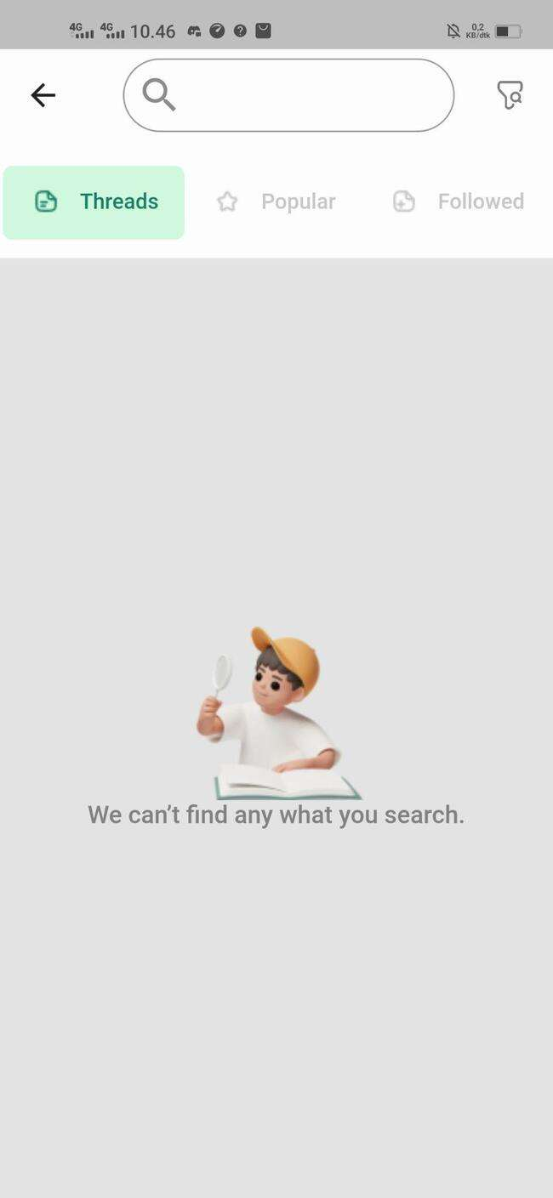
 |  | User search invalid data | User open application and login then redirected to the homepage | Negative | Search "Asdfghjkl 1234490" | 1. User redirected to homepage 2. User click button Search | user not search | 25/11/2022 |  | 21/12/2022 | 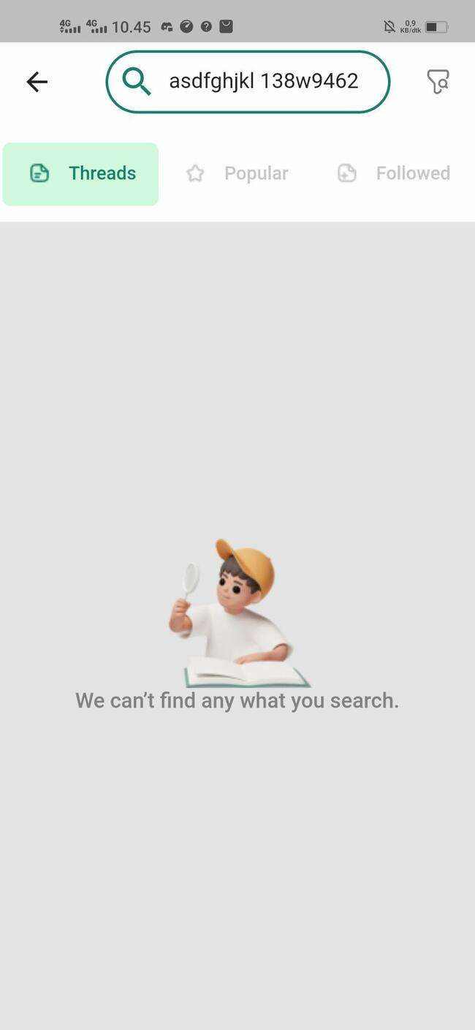
 | Space | User acces topic Threads | User open application and login then redirected to the Space | Positive |  | 1. User redirected to space 2. User click Topic | User can find Threads of the same topic | 25/11/2022 |  | 21/12/2022 | 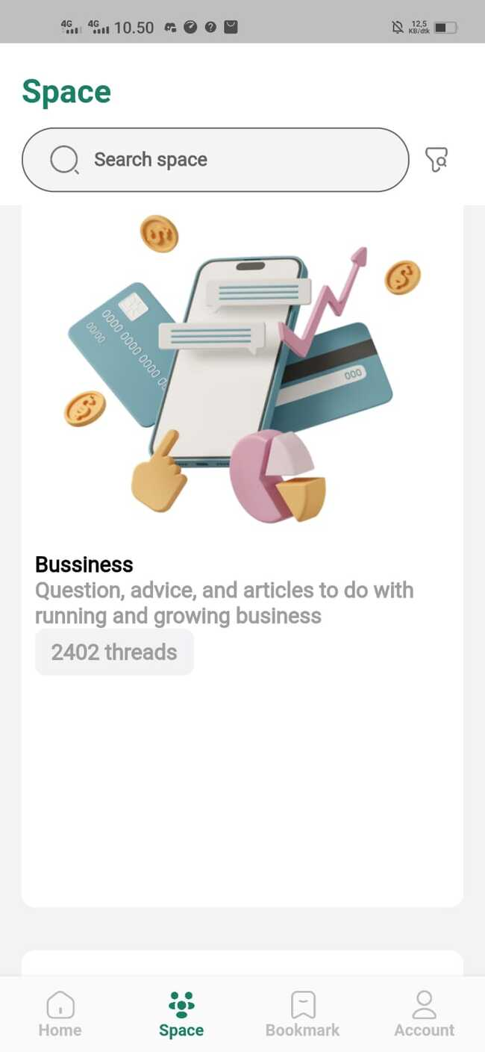
 | Bookmark | User acces bookmark Threads | User open application and login then redirected to the Bookmark | Positive |  | 2. User click bookmark | User can find Threads stored | 25/11/2022 |  | 21/12/2022 | 
 | Create Threads | User can acces create the Threads | User open application and login then redirected to the homepage | Positive |  | 1. User redirected to homepage 2. User click button Create Thread/ + (Plus sign) | User can acces create threads | 25/11/2022 |  | 21/12/2022 | 
 |  | User can write Threads | User open application and login then redirected to the homepage | Positive |  | 1. User redirected to homepage 2. User click button Create Thread/ + (Plus sign) 3. User add tittle Threads 4. User add disscusion Threads 5. User add topic Threads 6. User add image Threads | User can write the Threads | 25/11/2022 |  | 21/12/2022 | 
 |  | User fill topic title with 100 characters | User open application and login then redirected to the homepage | Negative | Topic title " Quality Engginer alterra academy mempelajari keilmuan yang bermanfaat dalam menunjang karir masa depan." | 1. User clik topic title | Eror message so many characters | 12/12/22 | Succes to input title | 21/12/2022 | 
 |  | User create topic title with null data | User open application and login then redirected to the homepage | Negative |  | 1. User click topic title | Eror message blank topic title | 12/12/22 | Succes to input title | 21/12/2022 | 
 |  | User create topic title with number data | User open application and login then redirected to the homepage | Negative | Topic title " 12345678910" | 1. User click topic title | Succes input topic tile | 12/12/22 | Succes to input title | 21/12/2022 | 
 |  | User create topic title with Symbols data | User open application and login then redirected to the homepage | Negative | Topic title " !@#$%^&&*())_+_)" | 1. User click topic title | Succes input topic tile | 12/12/22 | Succes to input title | 21/12/2022 | 
 |  | User create topic title with Symbols, Number and alphabets | User open application and login then redirected to the homepage | Negative | Topic title " Alterra Academy 100% Keren" | 1. User click topic title | Succes input topic tile | 12/12/22 | Succes to input title | 21/12/2022 | 
 |  | User fill description topic | User open application and login then redirected to the homepage | Positive | Description topic "Pogramming merupakan keterampilan yang sangat dibutuhkan di era digital saat ini. Seiring berjalannya waktu semakin banyak perusahaan-perusahaan yang membutuhkan jasa dari para programmer dengan gaji yang tidak sedikit. Bahkan tidak menutup kemungkinan di masa depan nanti semua bidang pekerjaan akan berkaitan dengan komputer dan programming,sehingga menuntut para pekerja untuk belajar komputer,serta penambahan materi programming dalam kurikulum pendidikan. Jika hal tersebut benar-benar terjadi,maka setiap orang akan memiliki pengetahuan komputer dan programming. Lalu,apa yang akan terjadi dengan para programmer? apakah profesi tersebut perlahan-lahan akan hilang/tidak dianggap sebagai profesi lagi karena setiap orang telah mempelajarinya? Kenyataannya,tidak semudah itu. Disaat teknologi mulai ikut campur di berbagai bidang,programming juga mengalami perkembangan yang cukup cepat. Ada banyak sekali bahasa pemrograman yang hampir setiap tahunnya melakukan update sehingga para programmer harus tetap mengikuti perkembangan bahasa tersebut. Selain itu,setiap bahasa pemrograman ditujukan untuk kebutuhan yang berbeda-beda sehingga lowongan pekerjaan pun target bahasa pemrogramannya juga beda-beda. Meskipun semua orang mempelajari bahasa pemrograman,sangat sulit untuk bisa menguasai semua bahasa pemrograman. Kalaupun ada yang bisa,kemungkinan besar kinerjanya tidak akan sebagus programmer yang fokus pada 1 bidang. Pada akhirnya,programmer tetap menjadi salah satu profesi yang paling dibutuhkan jasanya baik di organisasi kecil maupun di perusahaan ternama. Selagi perkembangan dunia teknologi masih terus berjalan,peluang para programmer untuk berkarya juga masih sangat luas. Oleh karena itu,para programmer harus memiliki kemampuan beradaptasi yang baik,agar tidak tertinggal dari perkembangan teknologi di masa yang akan datang. | 1. User click description topic | User can create description text | 12/12/22 | User can create description text | 21/12/2022 | 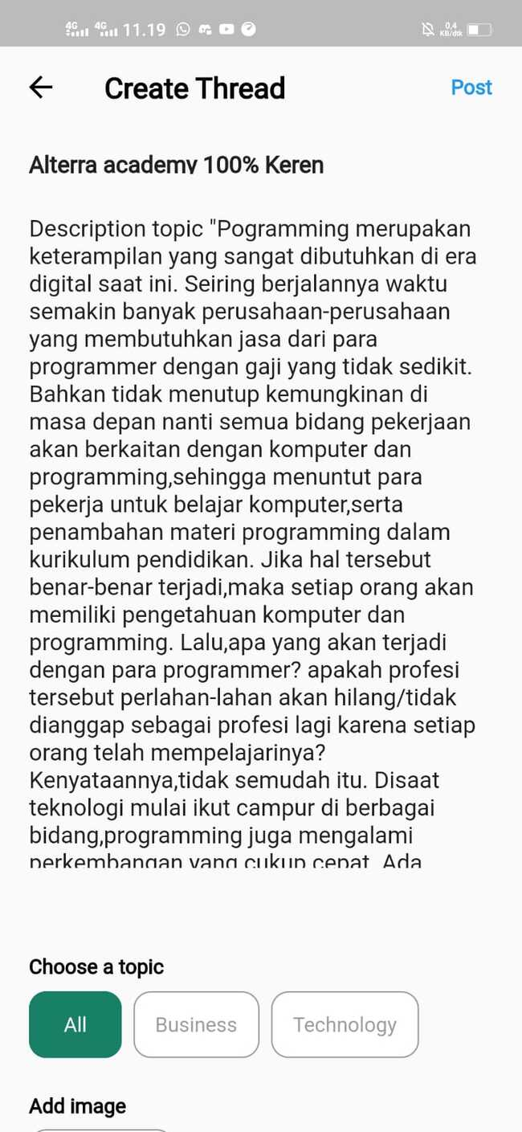
 |  | User fill description topic with blank data | User open application and login then redirected to the homepage | Negative |  | 1. User click description topic | Eror message blank description topic | 12/12/22 | required deskripsi | 21/12/2022 | 
 | Follow User | User click detail followed account | User open application and login then redirected to the homepage | Positive |  | 1. User click followed account | User can see detail followed account | 25/11/2022
 | Account | User see detail profile/account | User open application and login then redirected to the Account | Positive |  | 1. User redirected to homepage 2. User click "Account" | User acces detail profile/account | 25/11/2022 |  | 21/12/2022 | 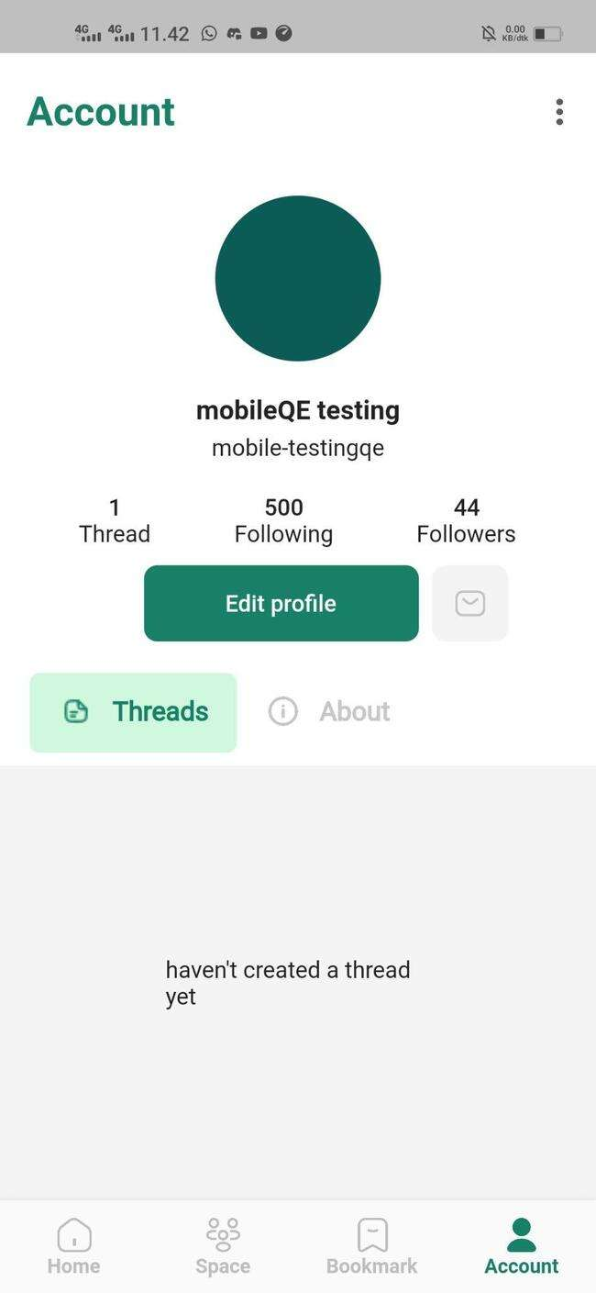
 |  | User edit Name profile/account with valid name | User open application and login then redirected to the Account | Positive | Name before : mobiletesting02 Name after : Joanne Rowling | 1. User redirected to homepage 2. User click "Account" 3. User click edit name 4. User click done | User succes update name | 25/11/2022 |  | 21/12/2022 | 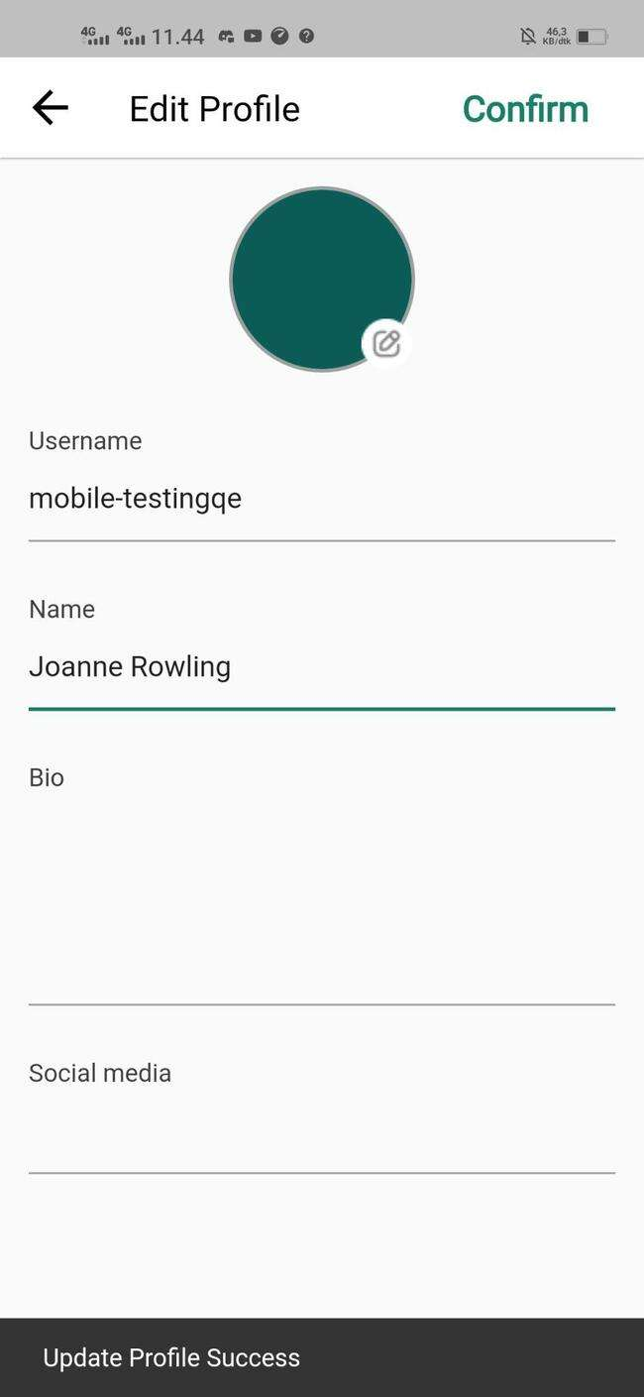
 |  | User edit Name profile/account with invalid name | User open application and login then redirected to the Account | Negative | Name before : Joanne Rowling Name after : joAnnE_ROWLING99 | 1. User click edit name 2. User click done | Eror message so much Character | 25/11/2022 |  | 21/12/2022 | 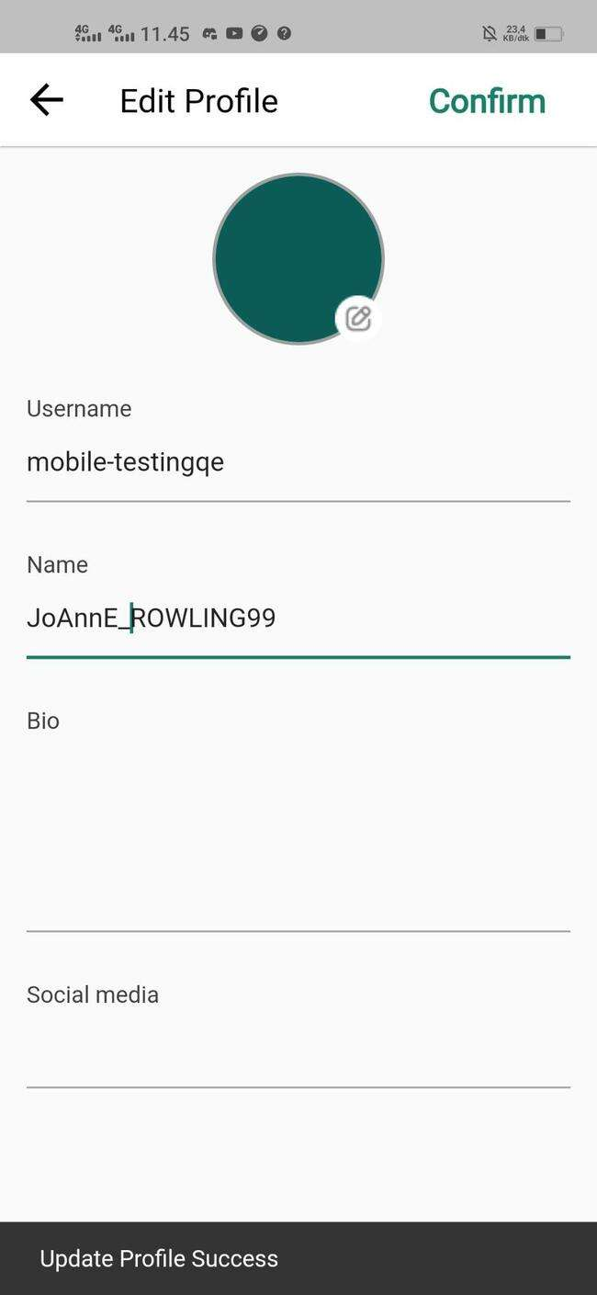
 |  | User edit Name profile/account with null name | User open application and login then redirected to the Account | Negative |  | 1. User click edit name 2. User click done | Eror message null name | 25/11/2022 |  | 21/12/2022 | 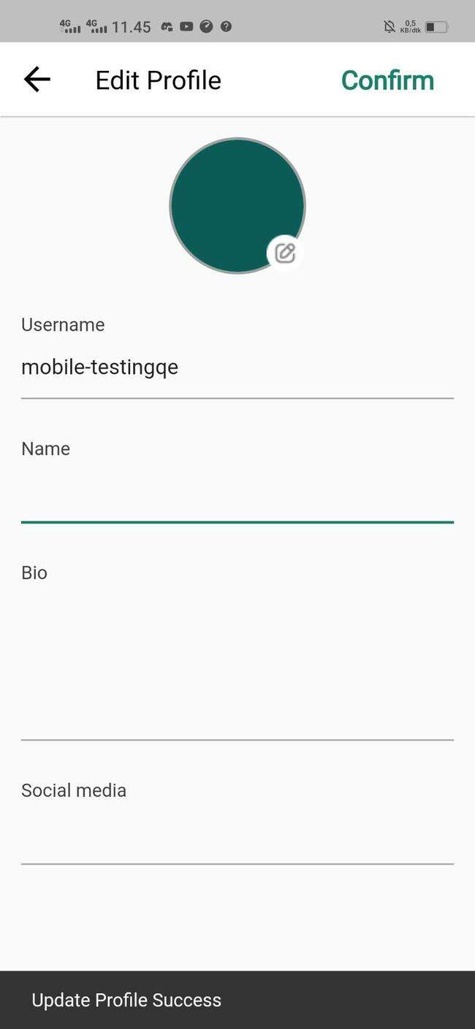
 |  | User edit Name profile/account with valid name | User open application and login then redirected to the Account | Positive | Name before : mobile-testingqe Name after : Joanne-Rowling | 1. User redirected to homepage 2. User click "Account" 3. User click edit name 4. User click done | User succes update name | 25/11/2022 |  | 21/12/2022 | 
 |  | User edit Name profile/account with invalid name | User open application and login then redirected to the Account | Negative | Name before : Joanne-Rowling Name after : joAnnE_ROWLING99 | 1. User click edit name 2. User click done | Eror message so much Character | 25/11/2022 |  | 21/12/2022 | 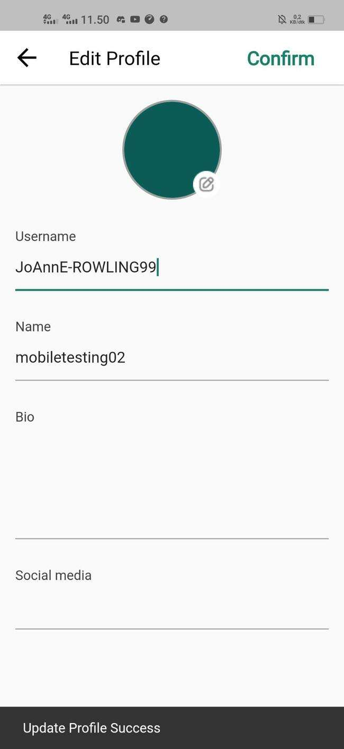
 |  | User edit Name profile/account with null name | User open application and login then redirected to the Account | Negative |  | 1. User click edit name 2. User click done | Eror message null name | 25/11/2022 | Not run | 21/12/2022 | 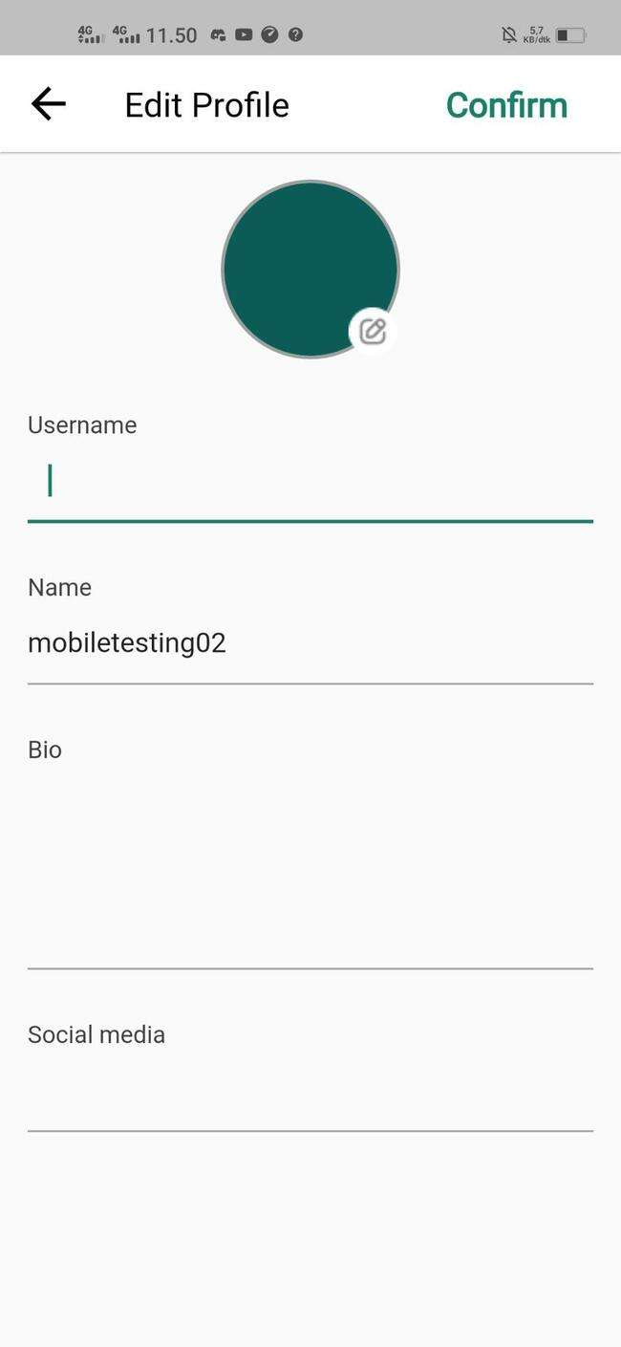
 |  | User edit Bio profile/account | User open application and login then redirected to the Account | Positive | Bio : Im JK Rowling is the British author. | 1. User redirected to homepage 2. User click "Account" 3. User click edit Bio 4. User click done | Succes Update bio | 25/11/2022 |  |  | 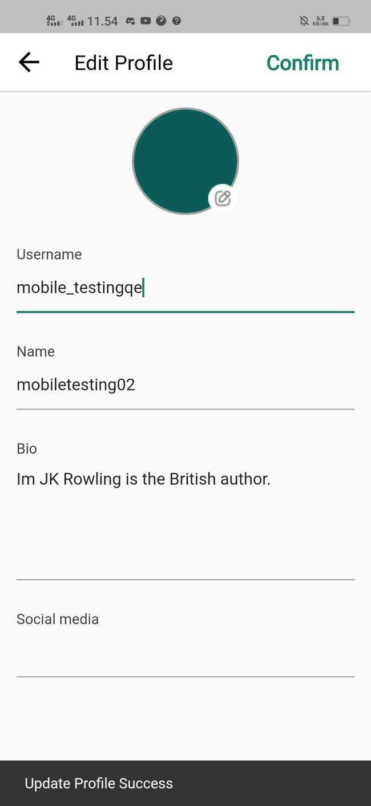
 |  | User edit Bio profile/account with 50 Character | User open application and login then redirected to the Account | Negative | Bio : Im JK Rowling is the British author. create popular Stories. | 1. User click edit Bio 2. User click done | Succes Update bio | 25/11/2022 |  |  | 
 |  | User edit Bio profile/account with 200 Character | User open application and login then redirected to the Account | Negative | Bio : Im JK Rowling is the British author. created the popular and Harry Potter series (seven books published between 1997 and 2007), about a lonely orphan who discovers that he is actually a wizard and enrolls in the Hogwarts School of Witchcraft and Wizardry. | 1. User click edit Bio 2. User click done | Eror message to much character | 25/11/2022 |  |  | 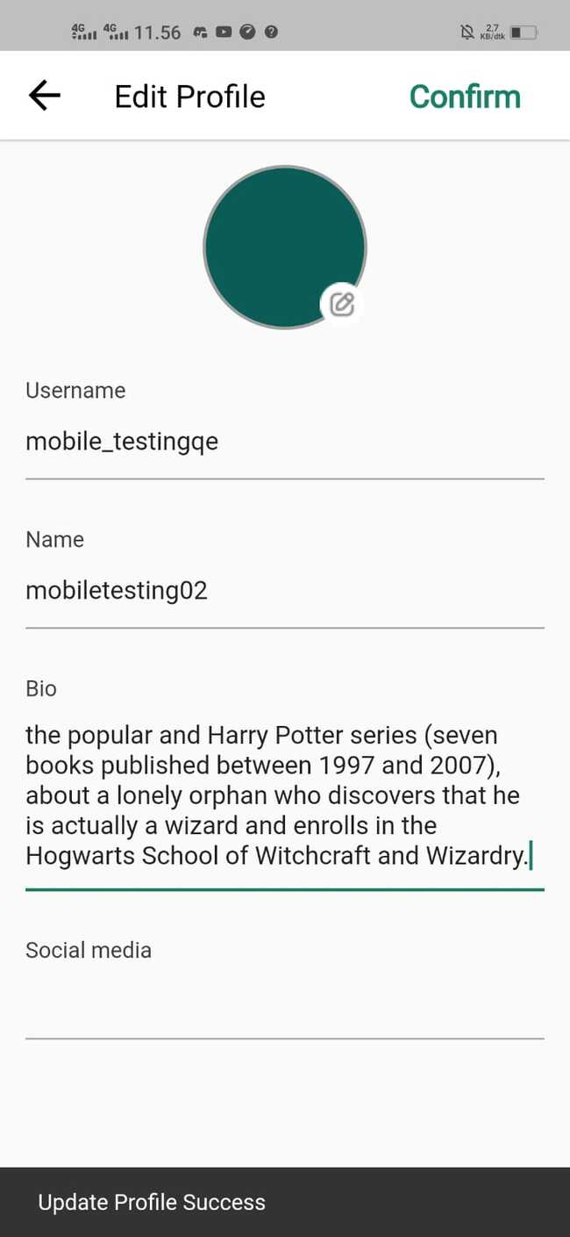
 |  | User edit bio with number data | User open application and login then redirected to the Account |  | 12345678910 | 1. User click edit Bio 2. User click done | Succes input bio | 25/11/2022 |  |  | 
 |  | User edit bio with symbols | User open application and login then redirected to the Account |  | !@#$%^&*(()_+ | 1. User click edit Bio 2. User click done | succes input bio | 25/11/2022 |  |  | 
 |  | User add photo profile | User open application and login then redirected to the Account | Positive |  | User click image profile | Succes input | 25/11/2022 |  |  | 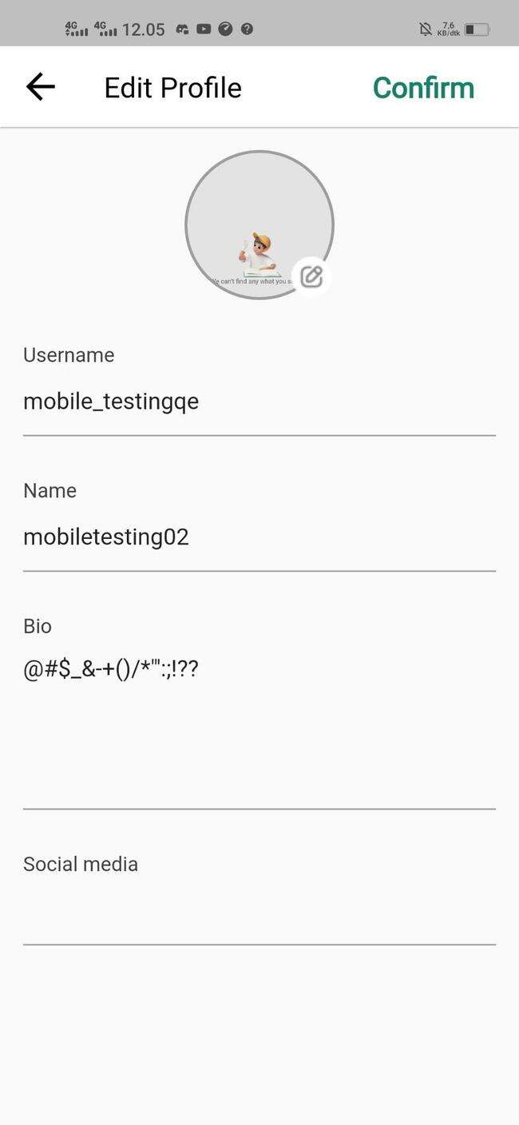
 |  | User edit password with valid old passsword | User open application and login then redirected to the Account | Positive | Old Password : 12345Qe New Password : 11114444Qe Email : testqe1@gmail.com | 1. User redirected to homepage 2. User click "Account" 3. User click edit Password 4. User input valid old password 5. User input new password 6. User input valid email 7. User click done | Succes update password | 25/11/2022
 |  | User edit password with invalid old passsword | User open application and login then redirected to the Account | Negative | Old Password : qualityE12345 New Password : 11114444Qe Email : testqe1@gmail.com | 1. User input invalid old password 2. User input new password 3. User input valid email 4. User click done | Eror message old password wrong | 25/11/2022
 |  | User edit password with null old passsword | User open application and login then redirected to the Account | Negative | Old Password : New Password : 11114444Qe Email : testqe1@gmail.com | 1. User input null old password 2. User input new password 3. User input valid email 4. User click done | Eror message old password null | 25/11/2022
 |  | User edit password with valid old passsword, null new password | User open application and login then redirected to the Account | Negative | Old Password : 12345Qe New Password : Email : testqe1@gmail.com | 1. User input valid old password 2. User input null new password 3. User input valid email 4. User click done | Eror message new password null | 25/11/2022
 |  | User edit password with valid old passsword, invalid email | User open application and login then redirected to the Account | Negative | Old Password : 12345Qe New Password : 11114444Qe Email : test@gnail.com | 1. User input valid old password 2. User input new password 3. User input invalid email 4. User click done | Eror message email wrong | 25/11/2022
 |  | User edit password with valid old passsword, null email | User open application and login then redirected to the Account | Negative | Old Password : 12345Qe New Password : 11114444Qe Email : | 1. User input valid old password 2. User input new password 3. User input nullemail 4. User click done | Eror message email null | 25/11/2022

TC-WEBSITE
Test Id | Scenario | Test Case | Pre_condition | Test Type | Test Data | Test Step | Expected Result | Planed Date | Actual Result | Execution Date | Documentation
 | Register | User create new account with Valid Input | User open website and click button Sign up here | Positive | { "email": "testingcharum@gmail.com", "userName": "charum-testing", "displayName": "charum testing", "biodata": "halo aku charum testing", "socialMedia": "instagram @anon", "password": "EngginerQuality31!" } | 1. Input valid name 2. Input valid email 3. Input valid password 4. Input valid confirm password 5. Click button Sign up | User succes to Register | 2022-09-12
 |  | User create new account with Google Account | User open website and click button Sign up here | Positive |  | 1. User click button google 2. User confirm google account | User succes to Register | 2022-09-12
 |  | User create new account with Facebook Account | User open website and click button Sign up here | Positive |  | 1. User click button facebook 2. User confirm facebook account | User succes to Register | 2022-09-12
 |  | User create new account with Twitter Account | User open website and click button Sign up here | Positive |  | 1. User click button twitter 2. User confirm twitter account | User succes to Register | 2022-09-12
 |  | User create new account with null Input data | User open website and click button Sign up here | Negative | { "email": " ", "userName": " ", "displayName": " ", "biodata": " ", "socialMedia": " ", "password": " " } | 1. Input null name 2. Input null email 3. Input null password 4. Input null confirm password 5. Click button Sign up | Eror message null data | 2022-09-12
 |  | User create new account with Invalid Name | User open website and click button Sign up here | Negative | { "email": "testingcharum@gmail.com", "userName": "testing-charum", "displayName": "charum testing", "biodata": "halo aku charum testing", "socialMedia": "instagram @anon", "password": "EngginerQuality31!" } | 1. Input invalid name 2. Input valid email 3. Input valid password 4. Input valid confirm password 5. Click button Sign up | User succes to Register | 2022-09-12
 |  | User create new account with Invalid Email | User open website and click button Sign up here | Negative | { "email": "testingcharum@gmail.co.", "userName": "charum-testing", "displayName": "charum testing", "biodata": "halo aku charum testing", "socialMedia": "instagram @anon", "password": "EngginerQuality31!" } | 1. Input valid name 2. Input invalid email 3. Input valid password 4. Input valid confirm password 5. Click button Sign up | Eror message invalid email | 2022-09-12
 |  | User create new account with null Password | User open website and click button Sign up here | Negative | { "email": "testingcharum@gmail.com", "userName": "charum-testing", "displayName": "charum testing", "biodata": "halo aku charum testing", "socialMedia": "instagram @anon", "password": " " } | 1. Input valid name 2. Input valid email 3. Input null password 4. Input valid confirm password 5. Click button Sign up | Eror message null password | 2022-09-12
 |  | User create new account with valid Password but confirm password not same | User open website and click button Sign up here | Negative | { "email": "testingcharum@gmail.com", "userName": "charum-testing", "displayName": "charum testing", "biodata": "halo aku charum testing", "socialMedia": "instagram @anon", "password": "EngginerQuality31!" } | 1. Input valid name 2. Input valid email 3. Input valid password 4. Input invalid confirm password 5. Click button Sign up | Eror message confirm password not same | 2022-09-12
 |  | User create new account with null Name | User open website and click button Sign up here | Negative | { "email": "testingcharum@gmail.com", "userName": " ", "displayName": "charum testing", "biodata": "halo aku charum testing", "socialMedia": "instagram @anon", "password": "EngginerQuality31!" } | 1. Input nullname 2. Input valid email 3. Input valid password 4. Input valid confirm password 5. Click button Sign up | Eror message null name | 2022-09-12
 |  | User create new account with null email | User open website and click button Sign up here | Negative | { "email": " ", "userName": "charum-testing", "displayName": "charum testing", "biodata": "halo aku charum testing", "socialMedia": "instagram @anon", "password": "EngginerQuality31!" } | 1. Input valid name 2. Input null email 3. Input valid password 4. Input valid confirm password 5. Click button Sign up | Eror message null email | 2022-09-12
 |  | User create new account with null password confirm | User open website and click button Sign up here | Negative | { "email": "testingcharum@gmail.com", "userName": "charum-testing", "displayName": "charum testing", "biodata": "halo aku charum testing", "socialMedia": "instagram @anon", "password": "EngginerQuality31!" } | 1. Input valid name 2. Input valid email 3. Input valid password 4. Input null confirm password 5. Click button Sign up | Eror message null confirm password | 2022-09-12
 | Login | User Login with valid input | User open website and skip onboarding page | Positive | { "email": "testingcharum@gmail.com", "password": "EngginerQuality31!" } | 1. Input valid email 2. Input valid password 3. Click button Sign in | User succes to login | 2022-09-12 | User succes to login | 15/12/22 | 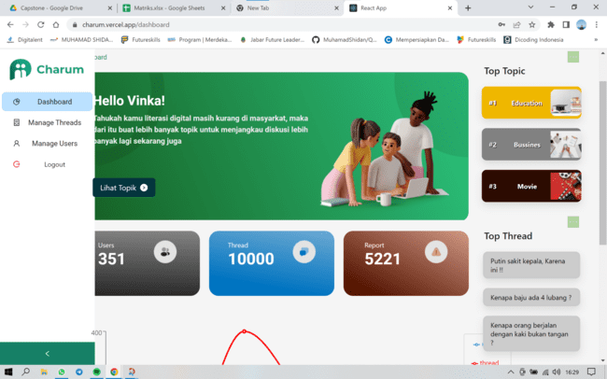
 |  | User Login with Google Account | User open website and skip onboarding page | Positive |  | 1. User click button google | User succes to login | 2022-09-12
 |  | User Login with Facebook Account | User open website and skip onboarding page | Positive |  | 1. User click button facebook | User succes to login | 2022-09-12
 |  | User Login with Twitter Account | User open website and skip onboarding page | Positive |  | 1. User click button twitter | User succes to login | 2022-09-12
 |  | User Login with null data | User open website and skip onboarding page | Negative | { "email": " ", "password": " " } | 1. Input null email 2. Input null password 3. Click button Sign in | Eror message null data | 2022-09-12 | Validation Failed | 15/12/22 | 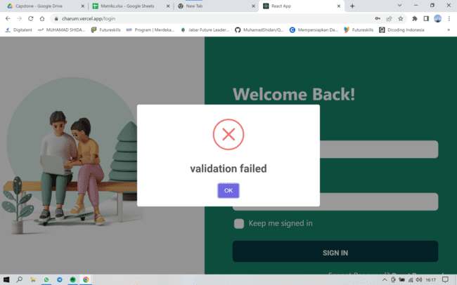
 |  | User Login with invalid Email | User open website and skip onboarding page | Negative | { "email": "testingcharumgmail.com", "password": "EngginerQuality31!" } | 1. Input invalid email 2. Input valid password 3. Click button Sign in | Eror message invalid email | 2022-09-12 | Email or username is not registered | 15/12/22 | 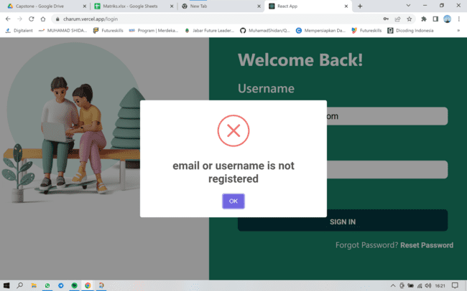
 |  | User Login with invalid Password | User open website and skip onboarding page | Negative | { "email": "testingcharum@gmail.com", "password": "enginerqualiy12!" } | 1. Input valid email 2. Input invalid password 3. Click button Sign in | Eror message password wrong | 2022-09-12 | Validation Failed | 15/12/22 | 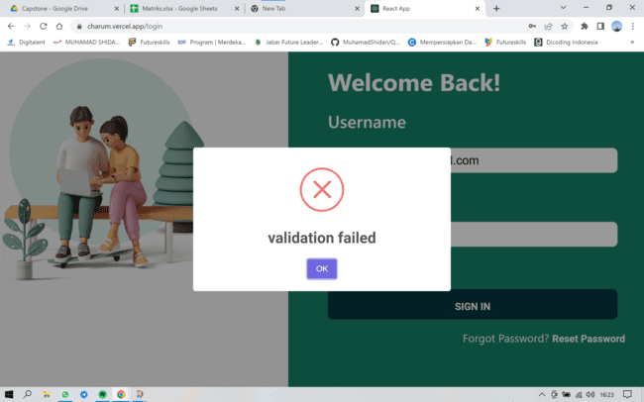
 |  | User Login with null email | User open website and skip onboarding page | Negative | { "email": " ", "password": "EngginerQuality31!" } | 1. Input null email 2. Input valid password 3. Click button Sign in | Eror message null email | 2022-09-12 | Validation Failed | 15/12/22 | 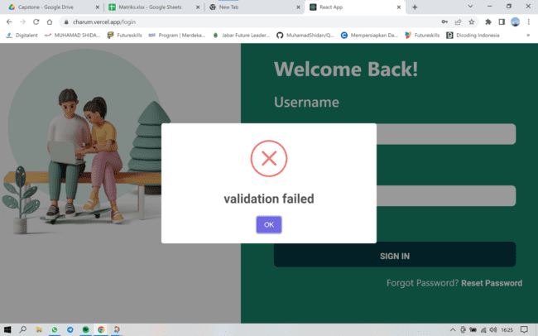
 |  | User Login with null password | User open website and skip onboarding page | Negative | { "email": "testingcharum@gmail.com", "password": " " } | 1. Input valid email 2. Input null password 3. Click button Sign in | Eror message null password | 2022-09-12 | Validation Failed | 15/12/22 | 
 |  | User Logout account | User open website | Positive |  | 1. User already at homepage 2. User click Logout button 3. User click confirm to logout | User redirected to login page | 2022-09-12 | User redirected to login page | 15/12/22 | 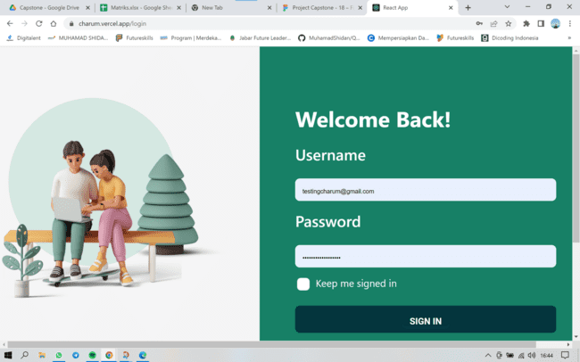
 | Landing page | User click home | User open website | Positive |  | 1. User open website 2. User click button "Home" | User redirected to home website | 12/12/22
 |  | User click feature | User open website | Positive |  | 1. User open website 2. User click button "Feature" | User redirected to descriptive feature charum | 12/12/22
 |  | User click about | User open website | Positive |  | 1. User open website 2. User click button "About" | User redirected to descriptive about charum | 12/12/22
 |  | User click download | User open website | Positive |  | 1. User open website 2. User click button "Download" | User redirected to download Apk charum | 12/12/22
 |  | User click our team | User open website | Positive |  | 1. User open website 2. User click button "our team" | User redirected to developer of charum | 12/12/22
 | Dashboard | User click manage topic thread | User open website | Positive |  | 1. User open website 2. User login 3. User click button "manage topic thread" | User redirected to manage topic thread page | 12/12/22 | Unauthorized | 15/12/22 | 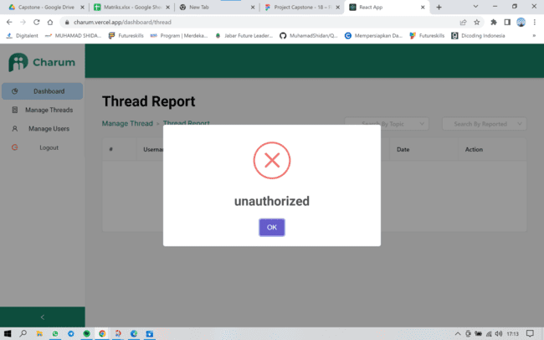
 |  | User click manage user | User open website | Positive |  | 1. User open website 2. User Login 3. User click button "Manage User" | User redirected to manage user page | 12/12/22 | Object object | 15/12/22 | 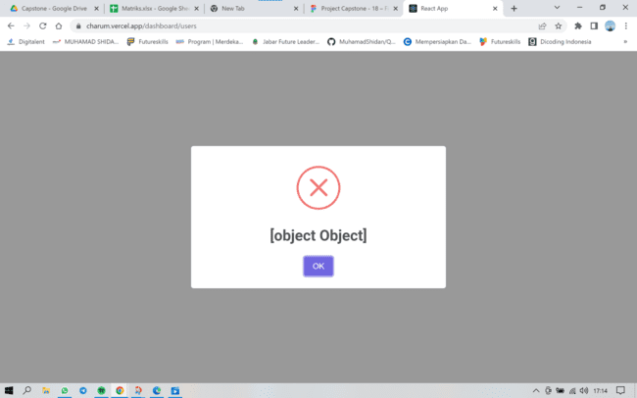
 |  | User Create topic | User open website | Positive |  | 1. User open website 2. User Login 3. User click button "create Topic" 4. User clik New topic | User redirected to create a new topic page | 12/12/22 | User redirected to create a new topic page | 15/12/22 | 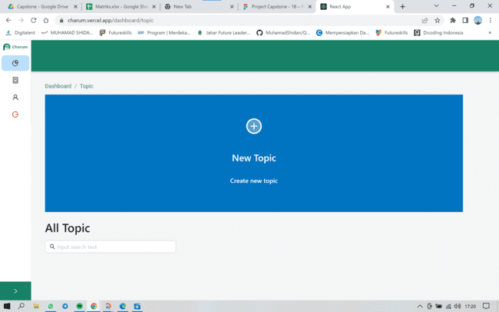
 |  | User fill topic data | User open website | Positive |  | 1. User open website 2. User Login 3. User click button "create Topic" 4. User clik New topic 5. User fill form topic | User can fill create topic | 12/12/22 | User can fill create topic | 15/12/22 | 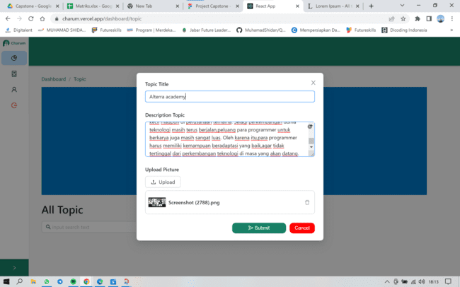
 |  | User fill topic with 20 characters | User open website | Positive | Topic title " Alterra Academy." | 1. User clik topic title | User succes to fill topic title | 12/12/22 | User succes to fill topic title | 15/12/22 | 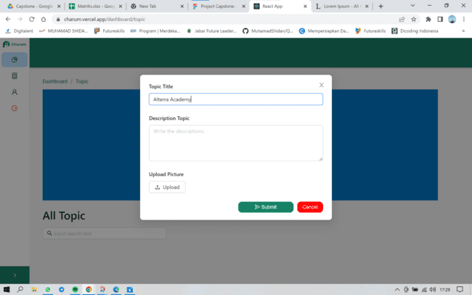
 |  | User fill topic title with 100 characters | User open website | Negative | Topic title " Quality Engginer alterra academy mempelajari keilmuan yang bermanfaat dalam menunjang karir masa depan." | 1. User clik topic title | Eror message so many characters | 12/12/22 | Succes to input title | 15/12/22
 |  | User create topic title with null data | User open website | Negative |  | 1. User click topic title | Eror message blank topic title | 12/12/22 | Should be combination alphabets and required | 15/12/22 | 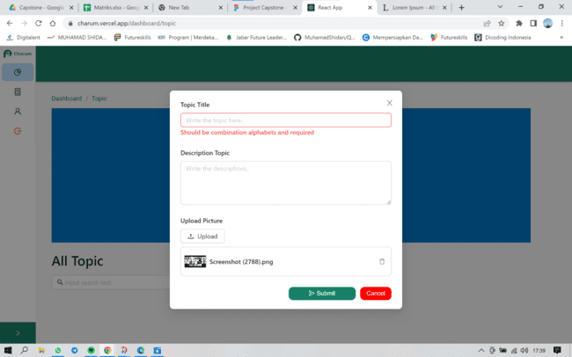
 |  | User create topic title with number data | User open website | Negative | Topic title " 12345678910" | 1. User click topic title | Succes input topic tile | 12/12/22 | Should be combination alphabets and required | 15/12/22 | 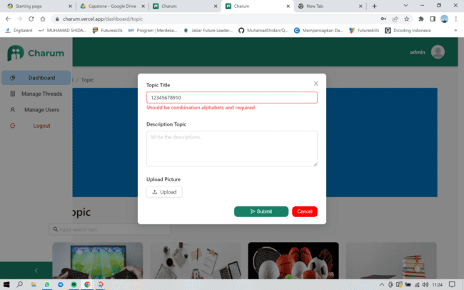
 |  | User create topic title with Symbols data | User open website | Negative | Topic title " !@#$%^&&*())_+_)" | 1. User click topic title | Succes input topic tile | 12/12/22 | Should be combination alphabets and required | 15/12/22 | 
 |  | User create topic title with Symbols, Number and alphabets | User open website | Negative | Topic title " Alterra Academy 100% Keren" | 1. User click topic title | Succes input topic tile | 12/12/22 | Should be combination alphabets and required | 15/12/22 | 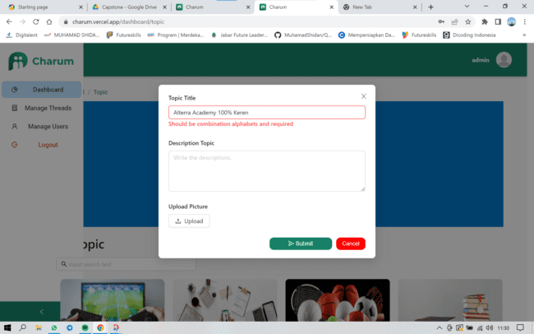
 |  | User fill description topic | User open website | Positive | Description topic "Pogramming merupakan keterampilan yang sangat dibutuhkan di era digital saat ini. Seiring berjalannya waktu semakin banyak perusahaan-perusahaan yang membutuhkan jasa dari para programmer dengan gaji yang tidak sedikit. Bahkan tidak menutup kemungkinan di masa depan nanti semua bidang pekerjaan akan berkaitan dengan komputer dan programming,sehingga menuntut para pekerja untuk belajar komputer,serta penambahan materi programming dalam kurikulum pendidikan. Jika hal tersebut benar-benar terjadi,maka setiap orang akan memiliki pengetahuan komputer dan programming. Lalu,apa yang akan terjadi dengan para programmer? apakah profesi tersebut perlahan-lahan akan hilang/tidak dianggap sebagai profesi lagi karena setiap orang telah mempelajarinya? Kenyataannya,tidak semudah itu. Disaat teknologi mulai ikut campur di berbagai bidang,programming juga mengalami perkembangan yang cukup cepat. Ada banyak sekali bahasa pemrograman yang hampir setiap tahunnya melakukan update sehingga para programmer harus tetap mengikuti perkembangan bahasa tersebut. Selain itu,setiap bahasa pemrograman ditujukan untuk kebutuhan yang berbeda-beda sehingga lowongan pekerjaan pun target bahasa pemrogramannya juga beda-beda. Meskipun semua orang mempelajari bahasa pemrograman,sangat sulit untuk bisa menguasai semua bahasa pemrograman. Kalaupun ada yang bisa,kemungkinan besar kinerjanya tidak akan sebagus programmer yang fokus pada 1 bidang. Pada akhirnya,programmer tetap menjadi salah satu profesi yang paling dibutuhkan jasanya baik di organisasi kecil maupun di perusahaan ternama. Selagi perkembangan dunia teknologi masih terus berjalan,peluang para programmer untuk berkarya juga masih sangat luas. Oleh karena itu,para programmer harus memiliki kemampuan beradaptasi yang baik,agar tidak tertinggal dari perkembangan teknologi di masa yang akan datang. | 1. User click description topic | User can create description text | 12/12/22 | User can create description text | 15/12/22 | 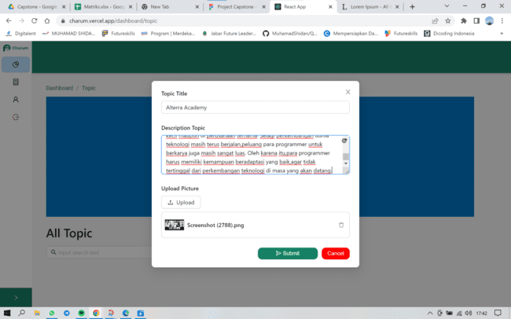
 |  | User fill description topic with blank data | User open website | Negative |  | 1. User click description topic | Eror message blank description topic | 12/12/22 | required deskripsi | 15/12/22 | 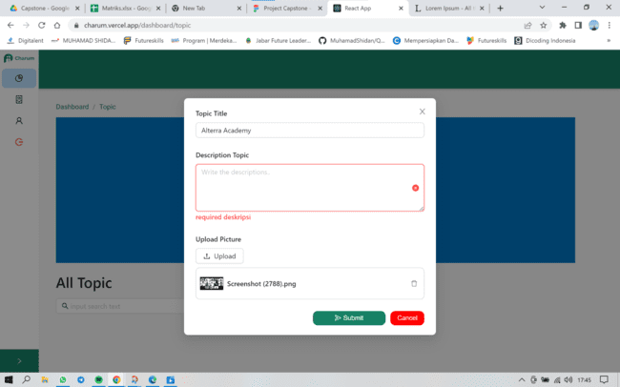
 |  | User input image topic | User open website | Positive |  | 1. User click upload picture 2. User chooser image | User can input image | 12/12/22 | Unauthorized | 15/12/22 | 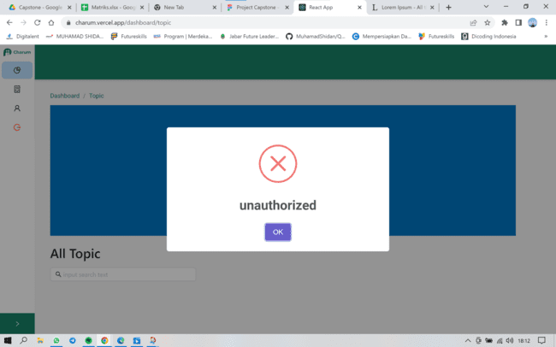
 |  | User dont input image topic | User open website | Negative |  | 1. User clik submit | Data Kosong | 12/12/22 | Data kosong | 15/12/22 | 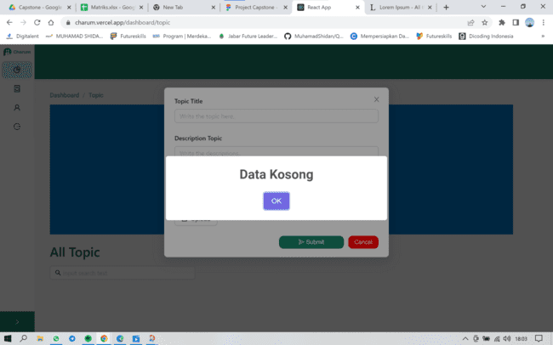
 |  | User input image topic more than one | User open website | Negative |  | 1. User click upload picture 2. User chooser image | succes input image | 12/12/22 | Unauthorized | 15/12/22 | 
 |  | User input image with blank title topic and descrition topic | User open website | Negative |  | 1. User click upload picture 2. User chooser image | Data Kosong | 12/12/22 | Data kosong | 15/12/22 | 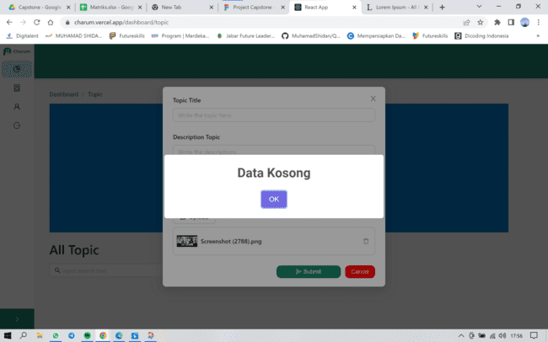
 |  | User click submit topic thread | User open website | Positive |  | 1. User fill data topic 2. User click submit | user succes upload tread topic | 12/12/22 | Unauthorized | 15/12/22 | 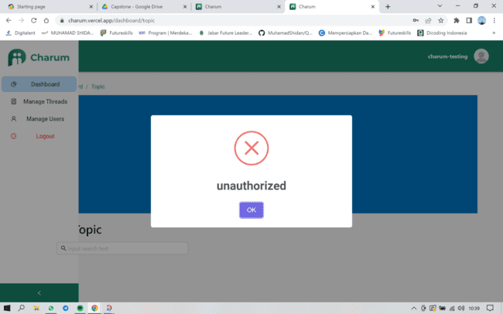
 |  | User click submit topic thread with blank input | User open website | Negative |  | 1. User fill data topic 2. User click submit | User failed upload topic thread topic | 12/12/22 | Data kosong | 15/12/22 | 

Test ID | Scenario | Test Case | Pre_condition | Test Type | Test Data | Test Step | Expected Result | Planed Date | Actual Result | Execution Date | Documentation
 | Login | Admin Login with valid input | Admin open website and skip onboarding page | Positive | { "email": "admin@charum.com", "password": "Asd!123asd" } | 1. Input valid email 2. Input valid password 3. Click button Sign in | User succes to login | 2022-09-12 | User succes to login | 15/12/22 | 
 |  | Admin Login with null data | Admin open website and skip onboarding page | Negative | { "email": " ", "password": " " } | 1. Input null email 2. Input null password 3. Click button Sign in | Eror message null data | 2022-09-12 | Validation Failed | 15/12/22 | 
 |  | Admin Login with invalid Email | Admin open website and skip onboarding page | Negative | { "email": "admincharum.com", "password": "Asd!123asd" } | 1. Input invalid email 2. Input valid password 3. Click button Sign in | Eror message invalid email | 2022-09-12 | Email or username is not registered | 15/12/22 | 
 |  | Admin Login with invalid Password | Admin open website and skip onboarding page | Negative | { "email": "admin@charum.com", "password": "Asd!123asdQUALITY" } | 1. Input valid email 2. Input invalid password 3. Click button Sign in | Eror message password wrong | 2022-09-12 | Wrong Password | 15/12/22 | 
 |  | Admin Login with null email | Admin open website and skip onboarding page | Negative | { "email": " ", "password": "Asd!123asd" } | 1. Input null email 2. Input valid password 3. Click button Sign in | Eror message null email | 2022-09-12 | Validation Failed | 15/12/22 | 
 |  | Admin Login with null password | Admin open website and skip onboarding page | Negative | { "email": "admin@charum.com", "password": " " } | 1. Input valid email 2. Input null password 3. Click button Sign in | Eror message null password | 2022-09-12 | Validation Failed | 15/12/22
 |  | Admin Logout account | Admin open website | Positive |  | 1. Admin already at homepage 2. Admin click Logout button 3. Admin click confirm to logout | Admin redirected to login page | 2022-09-12 | Admin redirected to login page | 15/12/22 | 
 | Landing page | Admin click home | Admin open website | Positive |  | 1. Admin open website 2. Admin click button "Home" | Admin redirected to home website | 12/12/22
 |  | Adminclick feature | Admin open website | Positive |  | 1. Admin open website 2. Admin click button "feature" | Admin redirected to descriptive feature charum | 12/12/22
 |  | Admin click about | Admin open website | Positive |  | 1. Admin open website 2. Admin click button "about" | Admin redirected to descriptive about charum | 12/12/22
 |  | Admin click download | Admin open website | Positive |  | 1. Admin open website 2. Admin click button "download" | Admin redirected to download Apk charum | 12/12/22
 |  | Admin click our team | Admin open website | Positive |  | 1. Admin open website 2. Admin click button "our team" | Admin redirected to developer of charum | 12/12/22
 | Dashboard | Admin click manage topic thread | Admin open website | Positive |  | 1. Admin open website 2. Admin login 3. Admin click button "manage topic thread" | Admin redirected to manage topic thread page | 12/12/22 | Admin redirected to manage topic thread page | 15/12/22 | 
 |  | Admin click detail topic thread | Admin open website | Positive |  | 1. Admin open website 2. Admin login 3. Admin click button "manage topic thread" 4. Admin click action 5. Admin click details button 6. Admin click topic threads | Admin redirected to detail topic thread | 12/12/22 | Admin redirected to detail topic thread | 15/12/22 | 
 |  | Admin delete topic thread | Admin open website | Positive |  | 1. Admin open website 2. Admin login 3. Admin click button "manage topic thread" 4. Admin click action 5. Admin click details button 6. Admin click topic threads 7. Admin click delete | Admin succes to delete topic thread | 12/12/22 | Admin succes to delete topic thread | 15/12/22 | 
 |  | Admin Search by topic | Admin open website | Positive |  | 1. Admin open website 2. Admin login 3. Admin click button "manage topic thread" 4. Admin search by topic | Admin redirected to topic threads result | 12/12/22 | Not run | 15/12/22 | 
 |  | Admin Search by reported | Admin open website | Positive |  | 1. Admin open website 2. Admin login 3. Admin click button "manage topic thread" 4. Admin search by reported | Admin redirected to topic threads result | 12/12/22 | Not run | 15/12/22 | 
 |  | Admin click manage user | Admin open website | Positive |  | 1. User open website 2. User Login 3. User click button "Manage User" | Admin redirected to manage user page | 12/12/22 | Admin redirected to manage user page | 15/12/22 | 
 |  | Admin click detail user | Admin open website | Positive |  | 1. Admin open website 2. Admin login 3. Admin click button "manage user" 4. Admin click action 5. Admin click details button | Admin redirected to detail user | 12/12/22 | Admin redirected to detail user | 15/12/22 | 
 |  | Admin delete user | Admin open website | Positive |  | 1. Admin open website 2. Admin login 3. Admin click button "manage user" 4. Admin click action 5. Admin click details button 6. Admin click delete | Admin succes to delete user | 12/12/22 | Admin succes to delete user | 15/12/22 | 
 |  | Admin suspend user | Admin open website | Positive |  | 1. Admin open website 2. Admin login 3. Admin click button "manage user" 4. Admin click action 5. Admin click details button 6. Admin click suspend | Admin succes to suspend user | 12/12/22 | Admin succes to suspend user | 15/12/22 | 
 |  | Admin Create topic | Admin open website | Positive |  | 1. Admin open website 2. Admin Login 3. Admin click button "create Topic" 4. Admin click New topic | Admin can write a new topic | 12/12/22 | Form to create topic thread display | 15/12/22 | 
 |  | Admin fill topic data | Admin open website | Positive |  | 1. Admin open website 2. Admin Login 3. Admin click button "create Topic" 4. Admin click New topic 5. Admin can fill form | Admin can fill create topic | 12/12/22 | The form can the fill | 15/12/22 | 
 |  | Admin fill topic with 20 characters | Admin open website | Positive | Topic title " Alterra Academy." | 1. Admin clik topic title | Admin succes to fill topic title | 12/12/22 | The title succes to input | 15/12/22
 |  | Admin fill topic title with 100 characters | Admin open website | Negative | Topic title " Quality Engginer alterra academy mempelajari keilmuan yang bermanfaat dalam menunjang karir masa depan." | 1. Admin clik topic title | Eror message so many characters | 12/12/22 | Succes to input 100 characters | 15/12/22 | 
 |  | admin create topic title with null data | Admin open website | Negative |  | 1. Admin clik topic title | Eror message blank topic title | 12/12/22 | Should be combination alphabets and required | 15/12/22
 |  | admin create topic title with number data | Admin open website | Negative | Topic title " 12345678910" | 1. Admin clik topic title | Succes input topic tile | 12/12/22 | Should be combination alphabets and required | 15/12/22
 |  | admin create topic title with Symbols data | Admin open website | Negative | Topic title " !@#$%^&&*())_+_)" | 1. Admin clik topic title | Succes input topic tile | 12/12/22 | Should be combination alphabets and required | 15/12/22
 |  | admin create topic title with Symbols, Number and alphabets | Admin open website | Negative | Topic title " Alterra Academy 100% Keren" | 1. Admin clik topic title | Succes input topic tile | 12/12/22 | Should be combination alphabets and required | 15/12/22
 |  | admin fill description topic | Admin open website | Positive | Description topic "Pogramming merupakan keterampilan yang sangat dibutuhkan di era digital saat ini. Seiring berjalannya waktu semakin banyak perusahaan-perusahaan yang membutuhkan jasa dari para programmer dengan gaji yang tidak sedikit. Bahkan tidak menutup kemungkinan di masa depan nanti semua bidang pekerjaan akan berkaitan dengan komputer dan programming,sehingga menuntut para pekerja untuk belajar komputer,serta penambahan materi programming dalam kurikulum pendidikan. Jika hal tersebut benar-benar terjadi,maka setiap orang akan memiliki pengetahuan komputer dan programming. Lalu,apa yang akan terjadi dengan para programmer? apakah profesi tersebut perlahan-lahan akan hilang/tidak dianggap sebagai profesi lagi karena setiap orang telah mempelajarinya? Kenyataannya,tidak semudah itu. Disaat teknologi mulai ikut campur di berbagai bidang,programming juga mengalami perkembangan yang cukup cepat. Ada banyak sekali bahasa pemrograman yang hampir setiap tahunnya melakukan update sehingga para programmer harus tetap mengikuti perkembangan bahasa tersebut. Selain itu,setiap bahasa pemrograman ditujukan untuk kebutuhan yang berbeda-beda sehingga lowongan pekerjaan pun target bahasa pemrogramannya juga beda-beda. Meskipun semua orang mempelajari bahasa pemrograman,sangat sulit untuk bisa menguasai semua bahasa pemrograman. Kalaupun ada yang bisa,kemungkinan besar kinerjanya tidak akan sebagus programmer yang fokus pada 1 bidang. Pada akhirnya,programmer tetap menjadi salah satu profesi yang paling dibutuhkan jasanya baik di organisasi kecil maupun di perusahaan ternama. Selagi perkembangan dunia teknologi masih terus berjalan,peluang para programmer untuk berkarya juga masih sangat luas. Oleh karena itu,para programmer harus memiliki kemampuan beradaptasi yang baik,agar tidak tertinggal dari perkembangan teknologi di masa yang akan datang. | 1. Admin click description topic | admin can create description text | 12/12/22 | admin can create description text | 15/12/22
 |  | admin fill description topic with blank data | Admin open website | Negative |  | 1. Admin click description topic | Eror message blank description topic | 12/12/22 | required deskripsi | 15/12/22
 |  | admin input image topic | Admin open website | Positive |  | 1. Admin click upload picture 2. Admin chooser image | Admin can input image | 12/12/22 | Admin succes to upload image | 15/12/22 | 
 |  | admin dont input image topic | Admin open website | Negative |  | 1. Admin clik submit | Data Kosong | 12/12/22 | Data kosong | 15/12/22 | 
 |  | admin input image topic more than one | Admin open website | Negative |  | 1. Admin click upload picture 2. Admin chooser image | succes input image | 12/12/22 | Succes, But image not display | 15/12/22 | 
 |  | admin input image with blank title topic and descrition topic | Admin open website | Negative |  | 1. Admin click upload picture 2. Admin chooser image | Data Kosong | 12/12/22 | Validation Failed | 15/12/22 | 
 |  | admin click submit topic thread | Admin open website | Positive |  | 1. admin fill data topic 2. Admin click submit | admin succes upload tread topic | 12/12/22 | Succes | 15/12/22 | 
 |  | admin click submit topic topic thread with blank input | Admin open website | Negative |  | 1. admin dont fill data topic 2. Admin click submit | admin failed upload topic thread topic | 12/12/22 | Data kosong | 15/12/22 | 
 |  | Admin can edit topic thread already posted | Admin open website | Positive | Topic " Edit topic thread" Description " Alterra academy' | 1. admin fill data topic 2. Admin click submit 3. Admin clik edit button | Admin can edit topic thread | 12/12/22 | Data kosong | 15/12/22 | 
 |  | Admin can delete topic thread | Admin open website | Positive |  | 1. admin fill data topic 2. Admin click submit 3. Admin clik trash ikon | Admin can delete topic thread | 12/12/22 | admin click submit topic thread with blank input | 15/12/22 | 
 |  | Admin Search topic thread | Admin open website | Positive | Search " Games" | 1. admin fill data topic 2. Admin click submit 3. Admin clik search fill ikon | Admin can search topic thread | 12/12/22 | Search cant run | 15/12/22 | 

TC-API
Test Id | Scenario | Test Case | Pre_condition | Test Type | Test Data | Test Step | Expected Result | Planed Date | Actual Result | Execution Date | Documentation

 | Auth | User create new account | User opening testing software | Positive | { "email": "alterraacademy@gmail.com", "userName": "alterra-msib", "displayName": "alterra msib", "biodata": "halo aku alterra", "socialMedia": "instagram @anon", "password": "Msib123!" } | 1. Set method POST 2. Set Url https://charum-api.nyakit.in/api/v1/user/register 3. Set body parameters 4. Send request 5. Verify result 200 6. Verify response body properties | Response 200 | 28/11/2022 | Response 200 | 20/12/2022 | 
 |  | User create new account with blank password | User opening testing software | Negative | { "email": "alterraacademy@gmail.com", "userName": "alterra-msib", "displayName": "alterra msib", "biodata": "halo aku alterra", "socialMedia": "instagram @anon", "password": " " } | 1. Set method POST 2. Set Url https://charum-api.nyakit.in/api/v1/user/register 3. Set body parameters 4. Send request 5. Verify result 400 6. Verify response body properties | Response 400 | 28/11/2022 |  | 20/12/2022 | 
 |  | User create new account with blank email | User opening testing software | Negative | { "email": " ", "userName": "alterra-msib", "displayName": "alterra msib", "biodata": "halo aku alterra", "socialMedia": "instagram @anon", "password": "Msib123!" } | 1. Set method POST 2. Set Url https://charum-api.nyakit.in/api/v1/user/register 3. Set body parameters 4. Send request 5. Verify result 400 6. Verify response body properties | Response 400 | 28/11/2022 | Response 400 | 20/12/2022 | 
 |  | User create new account with blank username | User opening testing software | Negative | { "email": "alterraacademy@gmail.com", "userName": " ", "displayName": "alterra msib", "biodata": "halo aku alterra", "socialMedia": "instagram @anon", "password": "Msib123!" } | 1. Set method POST 2. Set Url https://charum-api.nyakit.in/api/v1/user/register 3. Set body parameters 4. Send request 5. Verify result 400 6. Verify response body properties | Response 400 | 28/11/2022 | Response 400 | 20/12/2022
 |  | User create new account blank data | User opening testing software | Negative | { "email": " ", "userName": " ", "displayName": " ", "biodata": " ", "socialMedia": " ", "password": " " } | 1. Set method POST 2. Set Url https://charum-api.nyakit.in/api/v1/user/register 3. Set body parameters 4. Send request 5. Verify result 400 6. Verify response body properties | Response 400 | 28/11/2022 | Response 400 | 20/12/2022 | 
 |  | User login existing account | User opening testing software, User already have account | Positive | { "key": "alterraacademy@gmail.com", "password": "Msib123!" } | 1. Set method POST 2. Set Url https://charum-api.nyakit.in/api/v1/user/login 3. Set body parameters 4. Send request 5. Verify result 200 6. Verify response body properties | Response 200 | 01/12/2022 | Response 200 | 20/12/2022 | 
 |  | User login with unregist email | User opening testing software | Negative | { "key": "alterraacademymsib@gmail.com", "password": "Msib1234!" } | 1. Set method POST 2. Set Url https://charum-api.nyakit.in/api/v1/user/login 3. Set body parameters 4. Send request 5. Verify result 400 6. Verify response body properties | Response 401 | 01/12/2022 | Response 401 | 20/12/2022 | 
 |  | User login with blank email | User opening testing software | Negative | { "key": " ", "password": "Msib123!" } | 1. Set method POST 2. Set Url https://charum-api.nyakit.in/api/v1/user/login 3. Set body parameters 4. Send request 5. Verify result 400 6. Verify response body properties | Response 400 | 01/12/2022 | Response 400 | 20/12/2022 | 
 |  | User login with blank password | User opening testing software | Negative | { "key": "alterraacademy@gmail.com", "password": " " } | 1. Set method POST 2. Set Url https://charum-api.nyakit.in/api/v1/user/login 3. Set body parameters 4. Send request 5. Verify result 400 6. Verify response body properties | Response 400 | 01/12/2022 | Response 400 | 20/12/2022 | 
 |  | User login with blank data | User opening testing software | Negative | { "key": " ", "password": " " } | 1. Set method POST 2. Set Url https://charum-api.nyakit.in/api/v1/user/login 3. Set body parameters 4. Send request 5. Verify result 400 6. Verify response body properties | Response 400 | 01/12/2022 | Response 400 | 20/12/2022 | 
 |  | Get user profile | User already have token 1. User opening testing software 2. User send login request (TC003) to get token | Positive |  | 1. Set method GET 2. Set Url https://charum-api.nyakit.in/api/v1/user/profile 3. Set body parameters 4. Send request 5. Verify result 200 6. Verify response body properties | Response 200 | 01/12/2022 | Response 200 | 20/12/2022 | 
 |  | Update user's profile data | User opening testing software | Positive | { "email": "altamsib@gmail.com", "userName": "Alterra-Msib", "displayName": "Alterra Msib", "biodata": "halo aku Alterra Msib", "socialMedia": "instagram @anon" } | 1. Set method PUT 2. Set Url https://charum-api.nyakit.in/api/v1/user/profile 3. Set body parameters 4. Send request 5. Verify result 200 6. Verify response body properties | Response 200 | 01/12/2022 | Response 200 | 20/12/2022 | 
 |  | Update user's profile data whitout email | User opening testing software | Negative | { "email": " ", "userName": "Alterra-Msib", "displayName": "Alterra Msib", "biodata": "halo aku Alterra Msib", "socialMedia": "instagram @anon" } | 1. Set method PUT 2. Set Url https://charum-api.nyakit.in/api/v1/user/profile 3. Set body parameters 4. Send request 5. Verify result 200 6. Verify response body properties | Response 400 | 01/12/2022 | Response 200 | 20/12/2022 | 
 |  |  |  |  |  |  |  | 01/12/2022 |  | 20/12/2022
 | Topic | Get topic list with filter, pagination, and sorting | User opening testing software | Positive |  | 1. Set method GET 2. Set Url https://charum-api.nyakit.in/api/v1/topic/{page} 3. Set body parameters 4. Send request 5. Verify result 200 6. Verify response body properties |  | 01/12/2022 |  | 20/12/2022
 |  | Get topic data by id | User opening testing software | Positive |  | 1. Set method GET 2. Set Url https://charum-api.nyakit.in/api/v1//topic/{topic-id} 3. Set body parameters 4. Send request 5. Verify result 200 6. Verify response body properties |  | 01/12/2022 |  | 20/12/2022 | 
 |  |  |  |  |  |  |  | 01/12/2022 |  | 20/12/2022
 |  |  |  |  |  |  |  | 01/12/2022 |  | 20/12/2022
 | Threads | Get user's thread by token | Opening testing software | Positive |  | 1. Set method GET 2. Set Url https://charum-api.nyakit.in/api/v1/thread 3. Set body parameters 4. Send request 5. Verify result 200 6. Verify response body properties | Response 200 | 01/12/2022 |  | 20/12/2022
 |  | Create Thread by User and Admin | Opening testing software | Positive | { "topic": "Technology", "title": "NextJS 13", "description": "Best NextJS update ever" } | 1. Set method POST 2. Set Url https://charum-api.nyakit.in/api/v1/thread 3. Set body parameters 4. Send request 5. Verify result 200 6. Verify response body properties | Response 200 | 01/12/2022 |  | 20/12/2022
 |  | Create Thread by User and Admin with null tittle | Opening testing software | Negative | { "topic": "Technology", "title": "Null", "description": "Best NextJS update ever" } | 1. Set method POST 2. Set Url https://charum-api.nyakit.in/api/v1/thread 3. Set body parameters 4. Send request 5. Verify result 400 6. Verify response body properties | Response 400 | 01/12/2022 |  | 20/12/2022
 |  | Get thread list with pagination and sorting | Opening testing software | Positive |  | 1. Set method GET 2. Set Url https://charum-api.nyakit.in/api/v1/thread/{page} 4. Send request 5. Verify result 200 6. Verify response body properties | Response 200 | 01/12/2022 |  | 20/12/2022
 |  | Get thread's data by id | Opening testing software | Positive |  | 1. Set method GET 2. Set Url https://charum-api.nyakit.in/api/v1/thread/id/{thread-id} 3. Set body parameters 4. Send request 5. Verify result 200 6. Verify response body properties | Response 200 | 01/12/2022 |  | 20/12/2022
 |  | Update user own thread or update thread by admin | Opening testing software | Positive | { "topicID": "6379fe8dad33ec4251700ded", "title": "NextJS 13", "description": "Best NextJS update ever" } | 1. Set method PUT 2. Set Url https://charum-api.nyakit.in/api/v1/thread/id/{thread-id} 3. Set body parameters 4. Send request 5. Verify result 200 6. Verify response body properties | Response 200 | 01/12/2022 |  | 20/12/2022
 |  | Creator and admin can delete thread | Opening testing software | Positive |  | 1. Set method DELETE 2. Set Url https://charum-api.nyakit.in/api/v1/thread/id/{thread-id} 3. Set body parameters 4. Send request 5. Verify result 200 6. Verify response body properties | Response 200 | 01/12/2022 |  | 20/12/2022
 |  |  |  |  |  |  |  | 01/12/2022 |  | 20/12/2022
 |  | Get following thread by user's token | Opening testing software | Positive |  | 1. Set method GET 2. Set Url https://charum-api.nyakit.in/api/v1/thread/follow 3. Set body parameters 4. Send request 5. Verify result 200 6. Verify response body properties | Response 200 | 01/12/2022 |  | 20/12/2022
 |  | Get following thread by user id | Opening testing software | Positive | user's ID 6379fe8dad33ec4251700ded | 1. Set method GET 2. Set Url https://charum-api.nyakit.in/api/v1/thread/follow 3. Set body parameters 4. Send request 5. Verify result 200 6. Verify response body properties | Response 200 | 01/12/2022 |  | 20/12/2022
 |  | Create follow thread by thread id | Opening testing software | Positive | thread's ID 6379fe8dad33ec4251700ded | 1. Set method POST 2. Set Url https://charum-api.nyakit.in/api/v1/thread/follow 3. Set body parameters 4. Send request 5. Verify result 200 6. Verify response body properties | Response 200 | 01/12/2022 |  | 20/12/2022
 |  | Delete follow thread by thread id | Opening testing software | Positive | thread's ID 6379fe8dad33ec4251700ded | 1. Set method POST 2. Set Url https://charum-api.nyakit.in/api/v1/thread/follow 3. Set body parameters 4. Send request 5. Verify result 200 6. Verify response body properties | Response 200 | 01/12/2022 |  | 20/12/2022
 |  |  |  |  |  |  |  | 01/12/2022 |  | 20/12/2022
 |  | Send commment by thread id | Opening testing software | Positive | { "parentID": "6379fe8dad33ec4251700ded", "comment": "very excited" } | 1. Set method POST 2. Set Url https://charum-api.nyakit.in/api/v1/thread/comment 3. Set body parameters 4. Send request 5. Verify result 200 6. Verify response body properties | Response 200 | 01/12/2022 |  | 20/12/2022
 |  | Update commment by comment id | Opening testing software | Positive | { "comment": "very excited" } | 1. Set method PUT 2. Set Url https://charum-api.nyakit.in/api/v1/thread/comment 3. Set body parameters 4. Send request 5. Verify result 200 6. Verify response body properties | Response 200 | 01/12/2022 |  | 20/12/2022
 |  | Delete commment by comment id | Opening testing software | Positive | { "comment": "very excited" } | 1. Set method DELETE 2. Set Url https://charum-api.nyakit.in/api/v1/thread/comment 3. Set body parameters 4. Send request 5. Verify result 200 6. Verify response body properties | Response 200 | 01/12/2022 |  | 20/12/2022
 |  |  |  |  |  |  |  | 01/12/2022 |  | 20/12/2022
 |  | get users' liked thread by user's token | Opening testing software | Positive |  | 1. Set method GET 2. Set Url https://charum-api.nyakit.in/api/v1/thread/like 3. Set body parameters 4. Send request 5. Verify result 200 6. Verify response body properties | Response 200 | 01/12/2022 |  | 20/12/2022
 |  | get users' liked thread by user's token | Opening testing software | Positive | comment's ID 6379fe8dad33ec4251700ded | 1. Set method GET 2. Set Url https://charum-api.nyakit.in/api/v1/thread/like 3. Set body parameters 4. Send request 5. Verify result 200 6. Verify response body properties | Response 200 | 01/12/2022 |  | 20/12/2022
 |  | Like thread by User | Opening testing software | Positive | comment's ID 6379fe8dad33ec4251700ded | 1. Set method POST 2. Set Url https://charum-api.nyakit.in/api/v1/thread/like/id 3. Set body parameters 4. Send request 5. Verify result 200 6. Verify response body properties | Response 200 | 01/12/2022 |  | 20/12/2022
 |  | Unlike Thread by User | Opening testing software | Positive | comment's ID 6379fe8dad33ec4251700ded | 1. Set method DELETE 2. Set Url https://charum-api.nyakit.in/api/v1/thread/like/id 3. Set body parameters 4. Send request 5. Verify result 200 6. Verify response body properties | Response 200 | 01/12/2022 |  | 20/12/2022
 |  |  |  |  |  |  |  | 01/12/2022 |  | 20/12/2022
 |  | Get user's bookmark by token | Opening testing software | Positive |  | 1. Set method GET 2. Set Url https://charum-api.nyakit.in/api/v1/thread/bookmark 3. Set body parameters 4. Send request 5. Verify result 200 6. Verify response body properties | Response 200 | 01/12/2022 |  | 20/12/2022
 |  | Add thread to user's bookmark | Opening testing software | Positive |  | 1. Set method POST 2. Set Url https://charum-api.nyakit.in/api/v1/thread/bookmark 3. Set body parameters 4. Send request 5. Verify result 200 6. Verify response body properties | Response 200 | 01/12/2022 |  | 20/12/2022
 |  | Remove thread to user's bookmark | Opening testing software | Positive |  | 1. Set method DELETE 2. Set Url https://charum-api.nyakit.in/api/v1/thread/bookmark 3. Set body parameters 4. Send request 5. Verify result 200 6. Verify response body properties | Response 200 | 01/12/2022 |  | 20/12/2022
 |  |  |  |  |  |  |  | 01/12/2022 |  | 20/12/2022
 | Admin | Get user list with pagination and sorting | Admin opening testing software | Positive |  | 1. Set method GET 2. Set Url https://charum-api.nyakit.in/api/v1/admin/user/{page} 3. Set body parameters 4. Send request 5. Verify result 200 6. Verify response body properties | Response 200 | 01/12/2022 | Response 200 | 20/12/2022 | 
 |  | Get user's profile data | Admin opening testing software | Positive |  | 1. Set method GET 2. Set Url https://charum-api.nyakit.in/api/v1/admin/user/{page} 3. Set body parameters 4. Send request 5. Verify result 200 6. Verify response body properties | Response 200 | 01/12/2022 | Response 200 | 20/12/2022 | 
 |  | Update user's profile data | Admin opening testing software | Positive |  | 1. Set method PUT 2. Set Url https://charum-api.nyakit.in/api/v1/admin/user/id/{user-id} 3. Set body parameters 4. Send request 5. Verify result 200 6. Verify response body properties | Response 200 | 01/12/2022 | Response 200 | 20/12/2022 | 
 |  | Delete user's data | Admin opening testing software | Positive |  | 1. Set method DELETE 2. Set Url https://charum-api.nyakit.in/api/v1/admin/user/id/{user-id} 3. Set body parameters 4. Send request 5. Verify result 200 6. Verify response body properties | Response 200 | 01/12/2022 | Response 200 | 20/12/2022 | 
 |  | Suspend user | Admin opening testing software | Positive |  | 1. Set method PUT 2. Set Url https://charum-api.nyakit.in/api/v1/admin/user/suspend/{user-id} 3. Set body parameters 4. Send request 5. Verify result 200 6. Verify response body properties | Response 200 | 01/12/2022 | Response 200 | 20/12/2022 |  
 |  | Unsuspend user | Admin opening testing software | Positive |  | 1. Set method PUT 2. Set Url https://charum-api.nyakit.in/api/v1/admin/user/unsuspend/{user-id} 3. Set body parameters 4. Send request 5. Verify result 200 6. Verify response body properties | Response 200 | 01/12/2022 | Response 200 | 20/12/2022 | 
 |  | Create Topic | Admin opening testing software | Positive |  | 1. Set method POST 2. Set Url https://charum-api.nyakit.in/api/v1/admin/topic 3. Set body parameters 4. Send request 5. Verify result 200 6. Verify response body properties | Response 200 | 01/12/2022 | Response 200 | 20/12/2022 | 
 |  | Get all topics | Admin opening testing software | Positive |  | 1. Set method GET 2. Set Url https://charum-api.nyakit.in/api/v1/admin/topic/{page} 3. Set body parameters 4. Send request 5. Verify result 200 6. Verify response body properties | Response 200 | 01/12/2022 | Response 200 | 20/12/2022 | 
 |  | Get topic data by id | Admin opening testing software | Positive |  | 1. Set method GET 2. Set Url https://charum-api.nyakit.in/api/v1/admin/topic/{page} 3. Set body parameters 4. Send request 5. Verify result 200 6. Verify response body properties | Response 200 | 01/12/2022 | Response 200 | 20/12/2022 | 
 |  | Update topic data | Admin opening testing software | Positive |  | 1. Set method PUT 2. Set Url https://charum-api.nyakit.in/api/v1/admin/topic/id/{topic-id} 3. Set body parameters 4. Send request 5. Verify result 200 6. Verify response body properties | Response 200 | 01/12/2022 | Response 200 | 20/12/2022 | 
 |  | Delete topic | Admin opening testing software | Positive |  | 1. Set method DELETE 2. Set Url https://charum-api.nyakit.in/api/v1/admin/topic/id/{topic-id} 3. Set body parameters 4. Send request 5. Verify result 200 6. Verify response body properties | Response 200 | 01/12/2022 | Response 200 | 20/12/2022 | 
 |  | Get thread list with filter, pagination, and sorting | Admin opening testing software | positive |  | 1. Set method GET 2. Set Url https://charum-api.nyakit.in/api/v1/admin/thread/{page} 3. Set body parameters 4. Send request 5. Verify result 200 6. Verify response body properties | response 200 | 01/12/2022 | Response 200 | 20/12/2022
 |  | get thread's data by id | Admin opening testing software | positive |  | 1. Set method GET 2. Set Url https://charum-api.nyakit.in/api/v1/admin/thread/id/{thread-id} 3. Set body parameters 4. Send request 5. Verify result 200 6. Verify response body properties | response 200 | 01/12/2022 |  | 20/12/2022
 |  | update user own thread or update thread by admin | Admin opening testing software | positive |  | 1. Set method PUT 2. Set Url https://charum-api.nyakit.in/api/v1/admin/thread/id/{thread-id} 3. Set body parameters 4. Send request 5. Verify result 200 6. Verify response body properties | response 200 | 01/12/2022 |  | 20/12/2022
 |  | creator and admin can delete thread | Admin opening testing software | positive |  | 1. Set method DELETE 2. Set Url https://charum-api.nyakit.in/api/v1/admin/thread/id/{thread-id} 3. Set body parameters 4. Send request 5. Verify result 200 6. Verify response body properties | response 200 | 01/12/2022 |  | 20/12/2022

